moments
data | mean | var | burst | freq | model moments | mean |  | var |  | burts |  | freq |  | model kinetic | burst | sd | freq | sd | mean | var | data
0ng | 33.620833333 | 941.53345537 | 28.004465149 | 0.62250507736 |  | 32.677122753 | 1.2749248093 | 614.52285458 | 94.975452865 | 18.736088031 | 2.3191525223 | 1.865853768 | 0.18685074929 |  | 21.276471041 | 8.1942594686 | 1.6803540848 | 0.17383911179 | 36.032071093 | 629.9256778 | 0ng
10ng/ml | 57.163461538 | 3418.1277406 | 59.79567452 | 0.48611961683 |  | 53.540847509 | 1.4683886642 | 1882.9028802 | 243.96111222 | 35.07937266 | 3.6795053582 | 1.5847503346 | 0.13050937162 |  | 39.210505095 | 11.255244326 | 1.4994346147 | 0.11522152398 | 58.981705179 | 1919.1838923 | 10ng/ml
100ng/ml | 154.55319149 | 28310.98646 | 183.17956548 | 0.42417817576 |  | 131.5904605 | 10.132380415 | 13350.705527 | 3031.6391468 | 100.36622664 | 14.662454366 | 1.337467007 | 0.093873218078 |  | 113.2207638 | 32.180387889 | 1.2667264121 | 0.10359489237 | 143.7512614 | 13247.986302 | 100ng/ml
500ng/ml | 333.54494382 | 41893.059946 | 125.59944536 | 1.3384688144 |  | 327.03481698 | 2.1471986483 | 33995.250596 | 3042.1385465 | 103.9447271 | 9.1777188426 | 3.2013550167 | 0.28462077382 |  | 141.54548708 | 33.412180109 | 2.684108434 | 0.72954407576 | 357.88907003 | 33703.511512 | 500ng/ml
1 hrs | 371.03952569 | 41851.157162 | 112.79433662 | 1.6594737126 |  | 370.04710414 | 3.7210617517 | 37528.723078 | 3264.1027293 | 101.37903668 | 8.3633703178 | 3.7100764934 | 0.28969639018 |  | 148.89530888 | 47.327198382 | 2.68727581 | 0.35549926796 | 402.88558499 | 37616.306488 | 1 hrs
2 hrs | 399.64201183 | 58094.147429 | 145.36546636 | 1.3841329991 |  | 401.33827075 | 5.6196174428 | 49334.953137 | 5474.0317622 | 122.99662483 | 14.208740007 | 3.3335913262 | 0.38926591961 |  | 194.88457322 | 64.395939736 | 2.2379930459 | 0.35684249124 | 439.2291073 | 49376.966143 | 2 hrs
IFNy | 179.31538462 | 24998.713715 | 139.41198503 | 0.64775960182 |  | 161.58740758 | 5.5445424583 | 11795.980502 | 1675.3153143 | 72.743750154 | 8.1242677091 | 2.2736394802 | 0.19433843507 |  | 86.2661945 | 21.552091717 | 2.0597257623 | 0.16668965953 | 178.15767392 | 12016.172356 | IFNy
IFNg+ LipidA | 326.53242321 | 60834.989527 | 186.30612216 | 0.88106215651 |  | 323.61811367 | 4.5570958283 | 36923.8891 | 3467.0167136 | 114.1399891 | 11.123824698 | 2.8879021108 | 0.28973820589 |  | 154.99333952 | 30.295294464 | 2.2891087247 | 0.25435597143 | 355.44394536 | 37247.831264 | IFNg+ LipidA
DMOG + Lipid A | 213.36893204 | 44067.045265 | 206.52981127 | 0.51907052003 |  | 194.63169977 | 4.0044363272 | 24218.737609 | 2672.9633814 | 124.2999164 | 12.14249571 | 1.5912631708 | 0.13573111186 |  | 151.20939589 | 39.817329187 | 1.404745982 | 0.15543907724 | 212.88580962 | 24272.877309 | DMOG + Lipid A
0 4var | 33.620833333 | 941.53345537 | 28.004465149 | 0.62250507736 |  | 32.762016073 | 1.0093794767 | 593.64903252 | 74.38151252 | 18.073152599 | 1.7751179223 | 1.9342484938 | 0.15356006774 |  | 28.982564184 | 7.3869593689 | 1.1353230952 | 0.10840133704 | 32.593285409 | 586.20668422 | 0 4var
10 4 var | 57.163461538 | 3418.1277406 | 59.79567452 | 0.48611961683 |  | 53.868884426 | 1.0087078522 | 1989.0704396 | 206.60403659 | 36.874580181 | 3.2600998976 | 1.5116306814 | 0.1135194588 |  | 54.320818134 | 11.454655031 | 1.0075312417 | 0.12831376224 | 53.69847828 | 1970.130097 | 10 4 var
ifng 4var | 179.31538462 | 24998.713715 | 139.41198503 | 0.64775960182 |  | 160.36030842 | 5.7816282222 | 10994.024316 | 1655.8857403 | 68.289570959 | 7.9778379614 | 2.4065805152 | 0.20349281698 |  | 108.71052039 | 24.010057256 | 1.4941248621 | 0.22567847504 | 159.10299094 | 10765.681922 | ifng 4var
1hrs* | 371.03952569 | 41851.157162 | 112.79433662 | 1.6594737126 |  | 366.48855631 | 5.9162803012 | 33422.728846 | 2925.2865923 | 91.101905364 | 6.6304376933 | 4.0848757883 | 0.24263466911 |  | 122.82025978 | 18.368793007 | 5.5436963046 | 0.48041767628 | 681.80665695 | 44051.712514 | 1hrs*
2hrs* | 399.64201183 | 58094.147429 | 145.36546636 | 1.3841329991 |  | 400.91296801 | 3.2968211302 | 50331.266474 | 4370.6543143 | 125.59534533 | 11.474609428 | 3.2458877319 | 0.31465077395 |  | 182.83375073 | 43.630511089 | 2.7606034403 | 0.35746665907 | 506.46595299 | 53056.228134 | 2hrs*

Variance
burst size
 | data |  | model moments
33.620833333 | 0.62250507736 | 32.677122753 |  | 36.032071093 | 1.6803540848
57.163461538 | 0.48611961683 | 53.540847509 |  | 58.981705179 | 1.4994346147
154.55319149 | 0.42417817576 | 131.5904605 |  | 143.7512614 | 1.2667264121
333.54494382 | 1.3384688144 | 327.03481698 |  | 357.88907003 | 2.684108434
371.03952569 | 1.6594737126 | 370.04710414 |  | 402.88558499 | 2.68727581
399.64201183 | 1.3841329991 | 401.33827075 |  | 439.2291073 | 2.2379930459
179.31538462 | 0.64775960182 | 161.58740758 |  | 178.15767392 | 2.0597257623
326.53242321 | 0.88106215651 | 323.61811367 |  | 355.44394536 | 2.2891087247
213.36893204 | 0.51907052003 | 194.63169977 |  | 212.88580962 | 1.404745982
33.620833333 | 0.62250507736 | 32.762016073 |  | 32.593285409 | 1.1353230952
57.163461538 | 0.48611961683 | 53.868884426 |  | 53.69847828 | 1.0075312417
179.31538462 | 0.64775960182 | 160.36030842 |  | 159.10299094 | 1.4941248621
371.03952569 | 1.6594737126 | 366.48855631 |  | 681.80665695 | 5.5436963046
399.64201183 | 1.3841329991 | 400.91296801 |  | 506.46595299 | 2.7606034403

control (lipid A 0ng ml^-1)
kon | koff | kt | kd | Objective function | kt/koff | 2konkoff/(kon+koff) | mean | var | burst size (moment) | frequency (moment)
0.0132945308 | 0.19674728084 | 3.9893821793 | 0.014 | 0.0040182004281 | 20.276682667 | 1.7790082328 | 32.955027961 | 628.18270545 | 19.061816795 | 1.8245688313
0.013652232542 | 0.18861615297 | 3.6579694407 | 0.014 | 0.0041774296609 | 19.393723088 | 1.8186809252 | 32.21520219 | 582.62172152 | 18.085303891 | 1.8855504353
0.013228786821 | 0.15889011626 | 3.3067897707 | 0.014 | 0.0043006581596 | 20.811802827 | 1.7445775966 | 33.120937681 | 622.09028201 | 18.782387383 | 1.8625697983
0.01313787756 | 0.16455034057 | 3.4582201495 | 0.014 | 0.0043657856822 | 21.016183483 | 1.7380702394 | 33.329928244 | 636.89998634 | 19.108951621 | 1.8405222423
0.013414493806 | 0.16040898854 | 3.1792981406 | 0.014 | 0.004382153531 | 19.819950051 | 1.7684651399 | 31.977365722 | 573.55169191 | 17.93617701 | 1.8881100323
0.013477640675 | 0.14858291457 | 3.0044812874 | 0.014 | 0.0044637343996 | 20.220906933 | 1.765254731 | 32.545292013 | 584.87606319 | 17.971141969 | 1.9176842709
0.012861183717 | 0.18171645316 | 3.8793826663 | 0.014 | 0.004509103268 | 21.348549341 | 1.715869398 | 33.447390891 | 662.77703207 | 19.81550771 | 1.7776501919
0.013322610014 | 0.1251707822 | 2.5447695764 | 0.014 | 0.0045579719688 | 20.330380075 | 1.7201455192 | 31.835556862 | 553.27103959 | 17.379028173 | 1.9436780086
0.012936320612 | 0.19692322037 | 4.2284328173 | 0.014 | 0.0046142295258 | 21.472494759 | 1.7341271641 | 34.017423575 | 686.87400861 | 20.191829257 | 1.7724951134
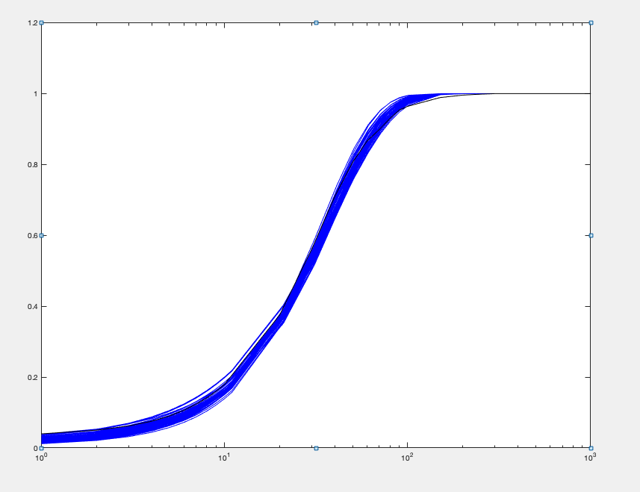
0.012826376316 | 0.15377005049 | 3.3547506881 | 0.014 | 0.0046759888091 | 21.816671565 | 1.6912663662 | 33.649177217 | 659.22275422 | 19.591051215 | 1.8099663557
0.01389524179 | 0.18135445688 | 3.468374108 | 0.014 | 0.0047303740838 | 19.124835241 | 1.843766539 | 32.198977264 | 569.32738742 | 17.681536365 | 1.9302165315
0.012536643866 | 0.18158363071 | 3.9838245164 | 0.014 | 0.0049460107693 | 21.939337268 | 1.67528634 | 33.559094727 | 684.43914449 | 20.395041942 | 1.7302924546
0.013811939653 | 0.19724647475 | 3.8430063715 | 0.014 | 0.0050371251898 | 19.48327024 | 1.844009742 | 32.824152918 | 600.10809966 | 18.282515962 | 1.8992693535
0.01324807548 | 0.18785880145 | 3.690547707 | 0.014 | 0.0050817677414 | 19.645327652 | 1.7679068528 | 31.720569942 | 582.40048942 | 18.36034127 | 1.8271858513
0.012391542183 | 0.11851589418 | 2.6976295678 | 0.014 | 0.0051237062948 | 22.761753488 | 1.6026533632 | 33.186165737 | 640.74610685 | 19.307626917 | 1.8126961996
0.012523176695 | 0.17964845276 | 4.0376912683 | 0.014 | 0.0051315420194 | 22.47551374 | 1.6724405034 | 34.318135557 | 714.88464233 | 20.831103751 | 1.7305207006
0.013784517292 | 0.12726517646 | 2.4719888162 | 0.014 | 0.0052488724113 | 19.423921649 | 1.7767689618 | 31.42403339 | 522.3030533 | 16.621133475 | 2.0116359316
0.012189834515 | 0.13867148711 | 3.2111585128 | 0.014 | 0.0055623699164 | 23.156588133 | 1.6006966451 | 33.771737386 | 689.79950226 | 20.425348402 | 1.7385395972
0.013088755755 | 0.11300247823 | 2.3168446933 | 0.014 | 0.0057228874347 | 20.502600735 | 1.6757274991 | 31.242252623 | 534.50252502 | 17.108322229 | 1.9395100358
0.012179151964 | 0.164549241 | 3.7031328378 | 0.014 | 0.0058042928686 | 22.504709321 | 1.6199759401 | 33.263102914 | 684.93863251 | 20.591543557 | 1.697829618
0.013057724893 | 0.1308217238 | 2.8805231519 | 0.014 | 0.005919924198 | 22.018691301 | 1.6960965735 | 34.010545575 | 646.4667516 | 19.007832443 | 1.8886529338
0.01415675043 | 0.16020565827 | 3.0442614181 | 0.014 | 0.0059780461051 | 19.002209104 | 1.8581917468 | 32.214786834 | 550.91023391 | 17.101160307 | 2.0007742435
0.012869243655 | 0.17356245725 | 3.8836727505 | 0.014 | 0.0059888772889 | 22.376225897 | 1.7115555998 | 34.957937239 | 718.18076696 | 20.544140292 | 1.7886658976
0.011990136761 | 0.073189067152 | 1.8763738138 | 0.014 | 0.0061781205969 | 25.637351135 | 1.4717658842 | 34.094632289 | 638.80774302 | 18.736314197 | 1.9223065125
0.01207158247 | 0.15894151758 | 3.5653936814 | 0.014 | 0.0062247491909 | 22.432110474 | 1.6027808369 | 32.795103276 | 669.5248452 | 20.415390663 | 1.6891291989
0.013986359717 | 0.17170104594 | 3.3565934313 | 0.014 | 0.0062397125324 | 19.549056401 | 1.8475540221 | 32.968477601 | 588.35923981 | 17.846114914 | 1.9570374397
0.011933459902 | 0.14150516313 | 3.4070443723 | 0.014 | 0.0063040106348 | 24.077173559 | 1.5721932669 | 34.494024082 | 736.6071028 | 21.354629458 | 1.6946525189
0.013454349055 | 0.13869449824 | 2.6864546526 | 0.014 | 0.0065100987363 | 19.369583412 | 1.7520851874 | 30.924476694 | 525.58496055 | 16.995759241 | 1.9332922075
0.011904240256 | 0.18841233079 | 4.2782217806 | 0.014 | 0.0066670612428 | 22.706697395 | 1.5995436204 | 33.16921941 | 707.5397492 | 21.331214957 | 1.6314430534
0.013559804084 | 0.106136343 | 2.0838990929 | 0.014 | 0.0068505520632 | 19.634170859 | 1.7176683895 | 30.647805476 | 491.26352423 | 16.029321401 | 2.0392008833
0.013051481434 | 0.085737059491 | 1.7916784205 | 0.014 | 0.0069564451778 | 20.8973626 | 1.6181686512 | 30.641761373 | 490.87887428 | 16.019930066 | 2.0400735049
0.013685990414 | 0.10472733264 | 2.1824140992 | 0.014 | 0.0069890076121 | 20.839011595 | 1.7291698912 | 32.741413123 | 551.76018855 | 16.852057866 | 2.0654361346
0.011472488463 | 0.048250888483 | 1.3722736621 | 0.014 | 0.0071834871668 | 28.440381209 | 1.3240992766 | 33.69779768 | 589.38530037 | 17.490321058 | 2.0434894846
0.014785403849 | 0.19458239624 | 3.3965628719 | 0.014 | 0.0072412224067 | 17.455653428 | 1.9630384623 | 31.305713473 | 510.56678554 | 16.309060836 | 2.0449140421
0.011533049889 | 0.11533315892 | 2.8191214616 | 0.014 | 0.0072871003198 | 24.443286632 | 1.4978018273 | 33.292934667 | 691.31659026 | 20.764663649 | 1.6844675557
0.014129837033 | 0.12806824724 | 2.3646803621 | 0.014 | 0.0072916599783 | 18.464220546 | 1.8179705061 | 30.567085258 | 483.15578088 | 15.806406689 | 2.0644499303
0.01133125465 | 0.083380612068 | 2.1674785524 | 0.014 | 0.0074365828913 | 25.994994504 | 1.425084584 | 33.541839216 | 675.00828876 | 20.124367195 | 1.7538796904
0.011414909741 | 0.13079751824 | 3.3153750729 | 0.014 | 0.0077317730055 | 25.34738516 | 1.4998105161 | 34.615011126 | 767.89150871 | 22.18377183 | 1.6340343638
0.014596771885 | 0.16744964167 | 2.9255418475 | 0.014 | 0.0078740688422 | 17.471174129 | 1.9180542038 | 30.584557915 | 485.71169881 | 15.880945546 | 2.0552832359
0.011353673067 | 0.13696696771 | 3.3561864768 | 0.014 | 0.0079337227529 | 24.503619616 | 1.4977957449 | 33.432317918 | 725.96783554 | 21.714552886 | 1.6139531517
0.013818745017 | 0.076095683326 | 1.5138268371 | 0.014 | 0.0085044723397 | 19.893728145 | 1.670710481 | 30.066411468 | 434.39674716 | 14.447908013 | 2.2357686742
0.014972614695 | 0.1617505221 | 2.7989560548 | 0.014 | 0.0085116576048 | 17.304154685 | 1.957725908 | 30.911451732 | 481.13578212 | 15.564968812 | 2.1223149964
0.014175741699 | 0.098510170724 | 1.9926574811 | 0.014 | 0.0085994626742 | 20.227936532 | 1.7703502529 | 32.516401827 | 519.01743841 | 15.961711913 | 2.1733075745
0.011137533231 | 0.17110886027 | 4.3468618363 | 0.014 | 0.0092948507971 | 25.404072176 | 1.4938415286 | 34.631643205 | 814.75883241 | 23.526427192 | 1.5373784271
0.015168342621 | 0.17877045048 | 3.2115261169 | 0.014 | 0.0093972494534 | 17.964524385 | 1.9974280103 | 32.765289372 | 538.28622649 | 16.42855097 | 2.123678979
0.010999483103 | 0.19649266829 | 4.7684052467 | 0.014 | 0.0097482019138 | 24.267598828 | 1.48805476 | 32.985134898 | 760.85624749 | 23.066640468 | 1.4947964075
0.0107772864 | 0.13936488286 | 3.5434182793 | 0.014 | 0.010220035413 | 25.425474527 | 1.4290981332 | 33.102305615 | 752.56342648 | 22.734471587 | 1.5230324548
0.010778379459 | 0.16032166752 | 4.0188633241 | 0.014 | 0.010401125411 | 25.067499522 | 1.4427713898 | 32.987506583 | 760.20106347 | 23.045120478 | 1.4963631801
0.010245215149 | 0.035579033932 | 1.1627333574 | 0.014 | 0.01052434093 | 32.680295918 | 1.1363754367 | 32.836881543 | 578.39393335 | 17.61415537 | 1.9764400183
0.015242268993 | 0.13477022846 | 2.2497862222 | 0.014 | 0.010944658213 | 16.693495648 | 1.9562218475 | 29.75414638 | 427.8283945 | 14.37878234 | 2.2239801519
0.012909101081 | 0.14512600379 | 3.0877692169 | 0.014 | 0.0065877296331 | 21.662286832 | 1.6803540848 | 32.677122753 | 614.52285458 | 18.736088031 | 1.865853768
0.0012178620208 | 0.039964636215 | 0.8313699142 | 1.0514012E-17 | 0.0018919757407 | 3.0583170468 | 0.17383911179 | 1.2749248093 | 94.975452865 | 2.3191525223 | 0.18685074929

lipid A 10ng ml^-1
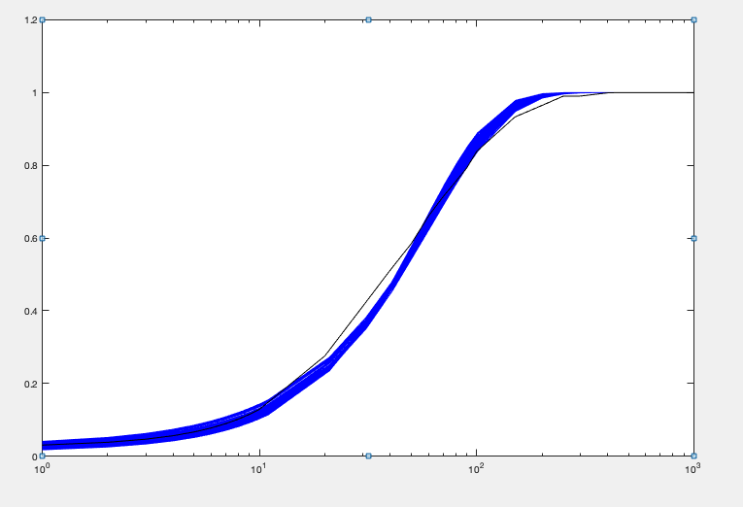
kon | koff | kt | kd | Objective function | kt/koff | 2konkoff/(kon+koff) | mean | var | burst size (moment) | frequency (moment)
0.011524450239 | 0.19248718662 | 7.2903636016 | 0.014 | 0.0083312696995 | 37.874539753 | 1.5533490694 | 53.725571104 | 1886.962462 | 35.122241108 | 1.5745030033
0.011498711323 | 0.17152708604 | 6.5806738028 | 0.014 | 0.0084390651526 | 38.365216565 | 1.5394710745 | 53.8930974 | 1879.5557317 | 34.875630133 | 1.590910551
0.011458790403 | 0.17583779668 | 6.7496027538 | 0.014 | 0.0084444719969 | 38.385391998 | 1.5368203587 | 53.838185305 | 1887.7493138 | 35.063390474 | 1.580529259
0.011439107666 | 0.1755207424 | 6.7425116398 | 0.014 | 0.0084666248185 | 38.41432954 | 1.534172535 | 53.785207321 | 1887.0450279 | 35.084833208 | 1.5779806518
0.011542695917 | 0.18679332487 | 6.9676129232 | 0.014 | 0.0084762667268 | 37.301187973 | 1.5529911163 | 52.890223286 | 1821.0260244 | 34.430295644 | 1.5821045631
0.011748643758 | 0.17885917825 | 6.5777778199 | 0.014 | 0.008483602793 | 36.776294537 | 1.5749261989 | 52.86816508 | 1778.6333358 | 33.642804381 | 1.6195962964
0.011934504276 | 0.19198852347 | 6.8681798655 | 0.014 | 0.0085023491577 | 35.773908469 | 1.6051489621 | 52.439657816 | 1735.5644239 | 33.096410163 | 1.6338169144
0.01131715152 | 0.17105518496 | 6.7606391386 | 0.014 | 0.0086345580143 | 39.523146523 | 1.5164090625 | 54.685553174 | 1965.6164137 | 35.94397971 | 1.5649492024
0.011914637978 | 0.18648028749 | 6.6245804734 | 0.014 | 0.0086490229326 | 35.524293546 | 1.5998717927 | 51.892852755 | 1697.8305963 | 32.718004623 | 1.6360692727
0.011157142969 | 0.19459611319 | 7.8225279693 | 0.014 | 0.0087418184423 | 40.198788357 | 1.5074482185 | 55.338466131 | 2069.638056 | 37.399628155 | 1.5203030618
0.011467252518 | 0.13554343237 | 5.3034215874 | 0.014 | 0.008796617857 | 39.127101141 | 1.5103963044 | 53.821937985 | 1825.7690891 | 33.922395913 | 1.6348123061
0.011231568806 | 0.1379293676 | 5.4864139614 | 0.014 | 0.0089170785379 | 39.776981921 | 1.4836929254 | 53.755321106 | 1865.3360702 | 34.700491631 | 1.595090116
0.011108009734 | 0.16855601287 | 6.8373087674 | 0.014 | 0.0089348431413 | 40.564015789 | 1.488748518 | 55.094479357 | 2029.8342479 | 36.842788454 | 1.5371147652
0.011559950505 | 0.12775206737 | 4.8654502241 | 0.014 | 0.0089854392378 | 38.085099711 | 1.5143884499 | 52.498498807 | 1709.6851423 | 32.566362489 | 1.6631152488
0.010990797909 | 0.18933565237 | 7.7086901573 | 0.014 | 0.0090036252411 | 40.714414116 | 1.4839705671 | 55.164630137 | 2082.8284645 | 37.756592573 | 1.5008091413
0.011610692329 | 0.12078668163 | 4.7047202357 | 0.014 | 0.0091106252531 | 38.950653931 | 1.5132119273 | 53.619500423 | 1759.5008074 | 32.814569206 | 1.6853756553
0.011861429628 | 0.13850334028 | 5.2025976352 | 0.014 | 0.0091545064626 | 37.562975916 | 1.5608211807 | 53.408432165 | 1741.3892726 | 32.605137466 | 1.6898655234
0.012278610164 | 0.19463137132 | 6.6517063495 | 0.014 | 0.0093153389095 | 34.175920893 | 1.6499947858 | 51.503145301 | 1629.5328504 | 31.639482226 | 1.6809404585
0.010800962769 | 0.17609056352 | 7.1514762792 | 0.014 | 0.009354608095 | 40.612490165 | 1.4538208786 | 53.881715582 | 2008.9442182 | 37.284340272 | 1.4849854008
0.010857518222 | 0.14893356682 | 6.1390538572 | 0.014 | 0.0093943015652 | 41.220082136 | 1.4456813275 | 54.312027183 | 1990.9981312 | 36.65851257 | 1.5231153312
0.012206552517 | 0.16050587913 | 5.6205767201 | 0.014 | 0.0094617672275 | 35.017886888 | 1.6205496073 | 51.760815489 | 1620.050745 | 31.298787117 | 1.7083461226
0.010860244932 | 0.139827613 | 5.7947229668 | 0.014 | 0.0094663058957 | 41.441907235 | 1.4396478221 | 54.346675794 | 1977.061454 | 36.378700723 | 1.5361410872
0.010646705473 | 0.19360535456 | 7.9239013988 | 0.014 | 0.0095618230581 | 40.928110779 | 1.4416774952 | 53.880107515 | 2058.4280712 | 38.203859757 | 1.4482397221
0.010702252455 | 0.16276713704 | 6.7014010777 | 0.014 | 0.0095774240209 | 41.171708243 | 1.4345676261 | 53.868632292 | 2009.414526 | 37.302126312 | 1.4838974397
0.012290164263 | 0.18676120057 | 6.5202771439 | 0.014 | 0.0095873253155 | 34.912375397 | 1.6473320377 | 52.513940754 | 1684.0472719 | 32.068575463 | 1.690259047
0.011446039064 | 0.094650751237 | 3.7802406789 | 0.014 | 0.0096028994656 | 39.938834394 | 1.4587437337 | 52.845897459 | 1666.798362 | 31.54073338 | 1.730341469
0.012293056348 | 0.16346433252 | 5.6996414971 | 0.014 | 0.0097834623747 | 34.867799043 | 1.6333198715 | 51.952661169 | 1623.6384882 | 31.252267963 | 1.7173145905
0.010688989551 | 0.13122037519 | 5.4846074037 | 0.014 | 0.0098087477072 | 41.796919081 | 1.4119809317 | 53.72625707 | 1948.3675955 | 36.264718627 | 1.5235129944
0.011007047719 | 0.091019084023 | 3.8928961581 | 0.014 | 0.0099560686858 | 42.770109147 | 1.4027938362 | 54.386998224 | 1825.4477888 | 33.564047445 | 1.6701547409
0.012448987397 | 0.19949971082 | 6.7934592567 | 0.014 | 0.0099752820192 | 34.052476711 | 1.6739693591 | 52.071307642 | 1646.0351771 | 31.611174208 | 1.7010555455
0.011479728929 | 0.083530543454 | 3.3489447867 | 0.014 | 0.0099848662348 | 40.092457779 | 1.441811008 | 52.338398708 | 1591.8092056 | 30.413792643 | 1.7793828679
0.010500669848 | 0.18172776337 | 7.91864741 | 0.014 | 0.010061371179 | 43.574230285 | 1.4181514696 | 56.402076325 | 2270.2773639 | 40.251662915 | 1.4369346962
0.010526016232 | 0.14137551583 | 6.1670694813 | 0.014 | 0.010096771321 | 43.621906135 | 1.3995165668 | 55.613542193 | 2140.0044989 | 38.479917202 | 1.48382244
0.010553510559 | 0.12901448742 | 5.4418209867 | 0.014 | 0.010124235695 | 42.17992177 | 1.3936430117 | 53.50455357 | 1953.7305961 | 36.515220962 | 1.5065245864
0.010965305153 | 0.083600078843 | 3.6142729235 | 0.014 | 0.010161822382 | 43.232888934 | 1.3848322816 | 54.201625822 | 1791.188608 | 33.046769002 | 1.6913288768
0.01035005932 | 0.16792621327 | 7.2760015636 | 0.014 | 0.010207933207 | 43.328563313 | 1.3927390365 | 55.047840524 | 2177.877641 | 39.563361982 | 1.4274647669
0.010560626583 | 0.10565654133 | 4.6327170311 | 0.014 | 0.010373255461 | 43.846949493 | 1.3715692773 | 54.617619469 | 1973.2560905 | 36.128562719 | 1.5547923183
0.010166164049 | 0.15549196545 | 6.8290457152 | 0.014 | 0.010625276854 | 43.918961957 | 1.3631833513 | 54.579704858 | 2162.2907279 | 39.617120201 | 1.4133551278
0.012429831495 | 0.141320424 | 4.8320783847 | 0.014 | 0.010768380481 | 34.192356971 | 1.6321357846 | 50.850542725 | 1510.4731045 | 29.704168797 | 1.7715385902
0.0099264128064 | 0.18948029152 | 8.5600141024 | 0.014 | 0.010967704303 | 45.176276825 | 1.3474683731 | 55.572587521 | 2344.7351337 | 42.192297286 | 1.3491014384
0.0098810549093 | 0.19629275746 | 8.8531615925 | 0.014 | 0.01103601844 | 45.101824985 | 1.3439281383 | 55.347459122 | 2344.7718672 | 42.364580134 | 1.338039911
0.0099546049271 | 0.12398324366 | 5.6333552771 | 0.014 | 0.011311574049 | 45.436424398 | 1.3163933029 | 54.413185866 | 2134.1108591 | 39.220472486 | 1.4236659656
0.012764067973 | 0.19003805857 | 6.2963246199 | 0.014 | 0.011369441006 | 33.131914035 | 1.7086737546 | 51.699789142 | 1574.1042031 | 30.447013986 | 1.7556886809
0.0098067805058 | 0.1576371401 | 7.133459136 | 0.014 | 0.011378412747 | 45.252401378 | 1.31891734 | 54.414099844 | 2233.7880328 | 41.05163991 | 1.3585985484
0.0098908385705 | 0.13403512078 | 6.2168375988 | 0.014 | 0.011397690692 | 46.382153889 | 1.315874742 | 55.56583723 | 2262.7086753 | 40.721219874 | 1.3988955376
0.012556839146 | 0.1366845635 | 4.6591014894 | 0.014 | 0.011405082208 | 34.086522795 | 1.6429049534 | 51.013155454 | 1497.0645649 | 29.346637188 | 1.7996193028
0.0097748949732 | 0.16081235242 | 7.4275863136 | 0.014 | 0.011442857697 | 46.187909087 | 1.3163970589 | 55.441076431 | 2330.7535218 | 42.040192432 | 1.3508970876
0.012767858787 | 0.18836433021 | 6.1195865693 | 0.014 | 0.011448603516 | 32.488032965 | 1.7081937013 | 50.678637595 | 1511.7478949 | 29.830081601 | 1.7578388538
0.012587620833 | 0.14014886635 | 4.7357252236 | 0.014 | 0.011453426947 | 33.790678063 | 1.6500321402 | 50.801257235 | 1486.2843793 | 29.256842452 | 1.7978391365
0.012800643679 | 0.19395607573 | 6.334202347 | 0.014 | 0.011464524252 | 32.657921764 | 1.7154478682 | 51.169424989 | 1541.4378823 | 30.124197852 | 1.7569385172
0.011282723953 | 0.15775210503 | 6.1855397179 | 0.014 | 0.0097999277695 | 39.470105134 | 1.4994346147 | 53.540847509 | 1882.9028802 | 35.07937266 | 1.5847503346
0.00086642877153 | 0.032161556718 | 1.2498948511 | 1.0514012E-17 | 0.0010213206859 | 3.9537220289 | 0.11522152398 | 1.4683886642 | 243.96111222 | 3.6795053582 | 0.13050937162

lipid A 100ng ml^-1
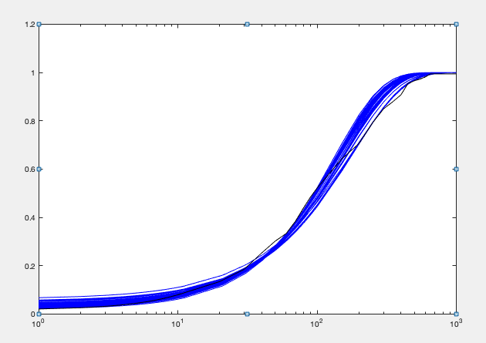
kon | koff | kt | kd | Objective function | kt/koff | 2konkoff/(kon+koff) | mean | var | burst size (moment) | frequency (moment)
0.0092126615126 | 0.16322473323 | 19.679775972 | 0.014 | 0.017914772086 | 120.56859021 | 1.2457806747 | 136.84981109 | 14858.545764 | 108.5755665 | 1.2721272641
0.0095849945632 | 0.18347254398 | 19.837591376 | 0.014 | 0.017949996651 | 108.12294279 | 1.3013021549 | 128.32155983 | 12705.736657 | 99.014823958 | 1.3092056349
0.00927641326 | 0.16165519505 | 19.418200101 | 0.014 | 0.017977997192 | 120.12110155 | 1.2532835373 | 137.15609371 | 14803.458121 | 107.93146495 | 1.2826542101
0.0096652391453 | 0.18505925785 | 19.670917707 | 0.014 | 0.017979486768 | 106.29523719 | 1.3122143708 | 127.22068044 | 12393.807209 | 97.419752554 | 1.3194462449
0.0093624800035 | 0.16695293611 | 19.691962792 | 0.014 | 0.017982670931 | 117.94918526 | 1.2664750482 | 136.12978928 | 14495.571659 | 106.48346505 | 1.2905320205
0.0091919251641 | 0.15533672758 | 18.863491335 | 0.014 | 0.018045145565 | 121.43613187 | 1.239769792 | 137.11679893 | 14870.029005 | 108.44790077 | 1.2761235719
0.009485933312 | 0.1665454974 | 18.778664471 | 0.014 | 0.018139299472 | 112.75396072 | 1.2821082782 | 131.748912 | 13398.618135 | 101.69813117 | 1.3083550854
0.009158763231 | 0.14931245245 | 18.156249777 | 0.014 | 0.018156225383 | 121.59903263 | 1.232776739 | 136.48393679 | 14723.486888 | 107.87706769 | 1.2770179773
0.0091440609482 | 0.14657512474 | 17.864048867 | 0.014 | 0.018208316738 | 121.87640228 | 1.2295868803 | 136.41957043 | 14702.276871 | 107.77249059 | 1.2776659013
0.01016063151 | 0.19553600978 | 19.0430596 | 0.014 | 0.018277374901 | 97.389016077 | 1.3798192814 | 122.62909421 | 11003.319247 | 89.728455697 | 1.3820717745
0.010072650192 | 0.18484595861 | 18.350516078 | 0.014 | 0.018279289786 | 99.27464044 | 1.3645905788 | 123.57703941 | 11211.442103 | 90.724313814 | 1.3772971244
0.0097875658793 | 0.16997287433 | 17.571380716 | 0.014 | 0.018306841171 | 103.37755825 | 1.322093451 | 124.59674867 | 11637.327395 | 93.399928322 | 1.348450707
0.0094269479137 | 0.15114528623 | 17.872142235 | 0.014 | 0.018327733135 | 118.24478739 | 1.2676437655 | 136.4975355 | 14312.417875 | 104.85477135 | 1.3143116462
0.0091429981292 | 0.14182455137 | 17.429109303 | 0.014 | 0.018329237769 | 122.89204608 | 1.2270391051 | 137.2329835 | 14820.932448 | 107.99832569 | 1.282571317
0.0094132826396 | 0.14554878188 | 17.162900239 | 0.014 | 0.018437698609 | 117.91854262 | 1.2630665686 | 135.58768744 | 14082.183582 | 103.86034195 | 1.3181726297
0.010070919567 | 0.16709821051 | 16.626914026 | 0.014 | 0.018506095191 | 99.503842529 | 1.3569218432 | 123.0819426 | 11007.547981 | 89.432679952 | 1.3918151375
0.009146081537 | 0.13403944652 | 16.513237194 | 0.014 | 0.0185085981 | 123.19684707 | 1.223124116 | 137.06571184 | 14677.163731 | 107.08122063 | 1.2920827176
0.010186188729 | 0.17390394272 | 16.924325465 | 0.014 | 0.018547530568 | 97.319964115 | 1.3746514642 | 121.99258995 | 10734.736337 | 87.994986756 | 1.4022944827
0.0088411645982 | 0.13827706967 | 17.542540697 | 0.014 | 0.018576040163 | 126.86514647 | 1.1871213063 | 137.01677775 | 15251.963603 | 111.31456931 | 1.2420551393
0.0099390713884 | 0.15265606674 | 15.527299854 | 0.014 | 0.018614139376 | 101.71426649 | 1.3330740765 | 123.51700104 | 11123.304745 | 90.054847928 | 1.3869767218
0.0087277757611 | 0.1378256584 | 18.599304816 | 0.014 | 0.018703264715 | 134.94805707 | 1.1725722601 | 143.94066776 | 17040.914651 | 118.38846461 | 1.2261909059
0.0092860570045 | 0.12778336576 | 15.25267761 | 0.014 | 0.018723796752 | 119.36356128 | 1.2367076424 | 134.22489458 | 13772.8371 | 102.61015398 | 1.3209791475
0.0095976576004 | 0.13670821871 | 14.905111775 | 0.014 | 0.018726271878 | 109.02864448 | 1.2811502542 | 127.10879697 | 12047.54205 | 94.781339588 | 1.3553740811
0.0093171144656 | 0.12679804093 | 15.069116753 | 0.014 | 0.01878657477 | 118.84345091 | 1.2399079692 | 133.97774337 | 13660.827992 | 101.96341309 | 1.3269930093
0.0097827502525 | 0.13796580555 | 14.467875031 | 0.014 | 0.018789285491 | 104.86565837 | 1.3050018969 | 124.55063584 | 11356.070511 | 91.176335112 | 1.3811898175
0.0084970072824 | 0.14563645512 | 19.925874249 | 0.014 | 0.018822406851 | 136.81927531 | 1.1469410994 | 142.80191362 | 17357.923613 | 121.55245804 | 1.1845624382
0.0089936917942 | 0.12275286311 | 15.300869773 | 0.014 | 0.018838188481 | 124.64776287 | 1.1971052173 | 135.6102087 | 14456.719924 | 106.60495299 | 1.2841273526
0.010463289333 | 0.18945224047 | 17.844547963 | 0.014 | 0.018905284961 | 94.190218699 | 1.4165222745 | 121.74088058 | 10490.282852 | 86.168941789 | 1.42940464
0.010563161008 | 0.19938297449 | 18.362188917 | 0.014 | 0.018933845228 | 92.095069623 | 1.4330985128 | 120.4678577 | 10224.936423 | 84.876884323 | 1.4362462158
0.010385283844 | 0.17155377647 | 16.172068235 | 0.014 | 0.018938059365 | 94.268214712 | 1.3989257565 | 120.24937615 | 10210.809444 | 84.913616775 | 1.4330138632
0.0097385437086 | 0.12829411531 | 13.458058925 | 0.014 | 0.019024531341 | 104.90004855 | 1.2930664985 | 123.36821396 | 11089.968749 | 89.893242296 | 1.3878244372
0.010603202928 | 0.19946438343 | 18.297125407 | 0.014 | 0.019030045003 | 91.731291036 | 1.4382863094 | 120.42733588 | 10178.670482 | 84.521262612 | 1.4418763811
0.008266328301 | 0.13088735504 | 19.908554016 | 0.014 | 0.019052328543 | 152.10448718 | 1.1107532552 | 153.57046211 | 20374.672274 | 132.67311952 | 1.1663007808
0.0087388862325 | 0.12123275722 | 15.745463212 | 0.014 | 0.019098933731 | 129.87796015 | 1.1644729847 | 137.41659955 | 15268.563345 | 111.11149159 | 1.2479769147
0.009541449604 | 0.11748064201 | 12.907236586 | 0.014 | 0.019171447239 | 109.86692246 | 1.2606756723 | 125.85118219 | 11644.309186 | 92.524432299 | 1.3750555893
0.010069083759 | 0.1278267883 | 12.733791418 | 0.014 | 0.019231310218 | 99.617549559 | 1.3334063685 | 120.81917163 | 10269.199892 | 84.996443473 | 1.4383843724
0.0090100953659 | 0.10854810286 | 13.760530515 | 0.014 | 0.019255783268 | 126.76896373 | 1.1885040447 | 136.74404342 | 14416.237331 | 105.4249748 | 1.3094955845
0.010409237603 | 0.15199595189 | 14.475667137 | 0.014 | 0.019287345511 | 95.237188602 | 1.3917236291 | 120.75119838 | 10130.211739 | 83.893260477 | 1.4567070675
0.0082878515008 | 0.1100113897 | 16.862055458 | 0.014 | 0.0195289952 | 153.27554268 | 1.1010311671 | 153.12438645 | 19741.533283 | 128.92481557 | 1.1969873536
0.0092538070033 | 0.10146727987 | 12.27126873 | 0.014 | 0.019564043617 | 120.93818564 | 1.2114850949 | 132.88234073 | 13103.417931 | 98.609174546 | 1.3613714218
0.0093447350232 | 0.09862104736 | 11.524412678 | 0.014 | 0.019776886358 | 116.85550891 | 1.2194175056 | 129.19749745 | 12207.957268 | 94.490663593 | 1.3819294086
0.0090650735275 | 0.091321592651 | 11.425917845 | 0.014 | 0.01993144717 | 125.11737382 | 1.1780690227 | 133.48371141 | 13280.356343 | 99.49046369 | 1.3552957962
0.0095474247004 | 0.093105534512 | 10.268326562 | 0.014 | 0.020011023885 | 110.28696216 | 1.2370641637 | 123.61677597 | 10825.892541 | 87.57624081 | 1.4278371851
0.0097621025575 | 0.091289053758 | 9.7464686578 | 0.014 | 0.020193499191 | 106.7649215 | 1.2598613241 | 121.85023605 | 10238.953279 | 84.028998314 | 1.4675624001
0.0082497683945 | 0.089386088061 | 14.08439066 | 0.014 | 0.020325170782 | 157.56803956 | 1.0789574225 | 153.83727758 | 19388.010715 | 126.029341 | 1.230409409
0.010751782761 | 0.14299404229 | 12.852837884 | 0.014 | 0.020426405115 | 89.883729965 | 1.4285552871 | 116.93338241 | 9120.0305671 | 77.993387166 | 1.5187457874
0.0081253722269 | 0.089097095938 | 14.104914408 | 0.014 | 0.020527533591 | 158.30947417 | 1.0637562673 | 152.36849757 | 19319.723219 | 126.79604727 | 1.211234382
0.010430484978 | 0.1046695058 | 10.105320541 | 0.014 | 0.020599040927 | 96.545029654 | 1.3550376013 | 118.74797317 | 9278.5005765 | 78.136075325 | 1.5394609159
0.0076804591463 | 0.10753194308 | 17.616332259 | 0.014 | 0.020742780304 | 163.8241787 | 1.0240647209 | 152.1396422 | 21036.941808 | 138.2739009 | 1.1082925538
0.011151406721 | 0.19710737274 | 16.824343433 | 0.014 | 0.020799832479 | 85.35623604 | 1.5077563506 | 117.477857 | 9189.3919263 | 78.222331945 | 1.5212938283
0.0094782171522 | 0.14262348215 | 16.147939585 | 0.014 | 0.01897619703 | 115.64637499 | 1.2667264121 | 131.5904605 | 13350.705527 | 100.36622664 | 1.337467007
0.00073416712878 | 0.031916735433 | 2.8296253405 | 1.0514012E-17 | 0.00081121514178 | 18.732603847 | 0.10359489237 | 10.132380415 | 3031.6391468 | 14.662454366 | 0.093873218078

lipid A 500ng ml-1
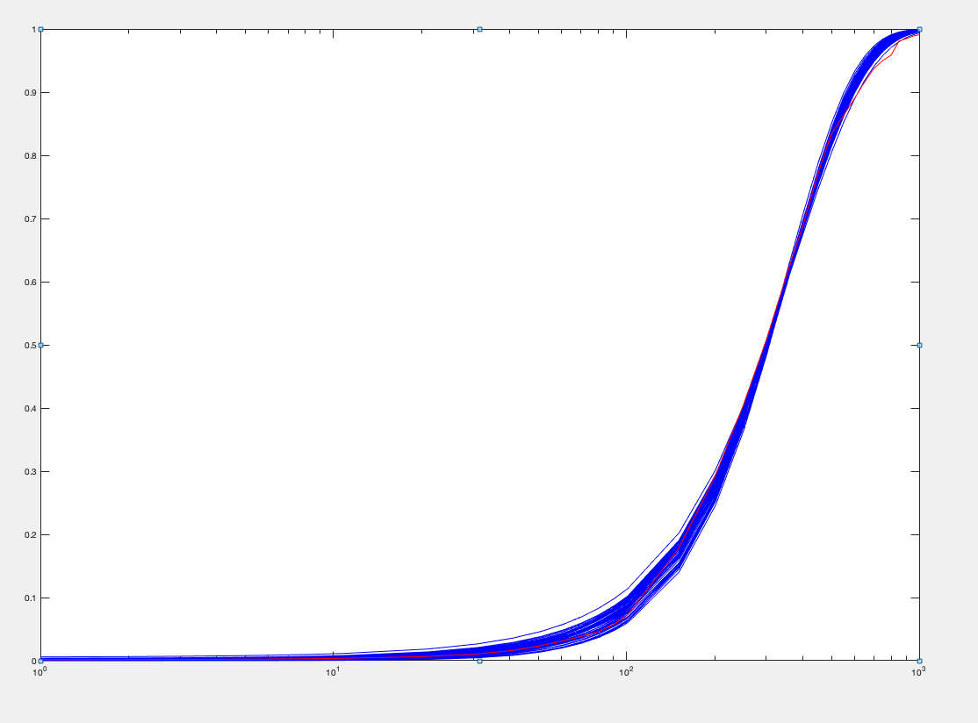
kon | koff | kt | kd | Objective function | kt/koff | 2konkoff/(kon+koff) | mean | var | burst size (moment) | frequency (moment)
0.021432114149 | 0.12107319582 | 19.085374062 | 0.016526563926 | 0.0063397587828 | 157.63500693 | 2.2035829351 | 327.0826527 | 35392.490647 | 108.206566 | 3.0509572772 | 4.4071658703
0.019290905034 | 0.13383506091 | 17.505419085 | 0.01175306565 | 0.0065015571432 | 130.79845421 | 2.8691449951 | 326.03316076 | 34236.863572 | 105.01037223 | 3.1346216128 | 5.7382899902
0.019588146558 | 0.11732690843 | 17.408828153 | 0.013758395073 | 0.0065122320104 | 148.37881936 | 2.4400683193 | 328.00206197 | 35578.973244 | 108.4717975 | 3.051982656 | 4.8801366386
0.021526951835 | 0.11285982422 | 18.010011062 | 0.016607896931 | 0.0065714385011 | 159.5785851 | 2.1771117817 | 327.27346249 | 34797.17271 | 106.32445554 | 3.1072884338 | 4.3542235633
0.02299508423 | 0.11177828502 | 18.391669764 | 0.018467906185 | 0.0066722525405 | 164.53705441 | 2.0653834712 | 325.47281314 | 33911.310264 | 104.19091517 | 3.1540839869 | 4.1307669425
0.021434482864 | 0.15375981112 | 19.759588242 | 0.013300837948 | 0.0066905589355 | 128.50944664 | 2.8286999517 | 327.38431723 | 33175.660389 | 101.33552111 | 3.2628954693 | 5.6573999034
0.024120275368 | 0.12454697819 | 19.508504865 | 0.018608290828 | 0.006746836531 | 156.63571408 | 2.1718191029 | 326.34534771 | 33324.072875 | 102.11290925 | 3.2275339532 | 4.3436382058
0.02244727256 | 0.10696334088 | 17.319905821 | 0.017619671265 | 0.0068177596424 | 161.92375516 | 2.1060119806 | 324.28140065 | 33269.109778 | 102.59333317 | 3.1919555203 | 4.2120239612
0.017679059267 | 0.1429957094 | 19.124425843 | 0.010831910426 | 0.0069094058729 | 133.74125645 | 2.9050887913 | 328.95644638 | 37579.140335 | 114.23743401 | 2.905015018 | 5.8101775826
0.021217349159 | 0.10126459983 | 16.48843527 | 0.016594280268 | 0.0069139704355 | 162.82526467 | 2.1142106714 | 323.98291428 | 33757.70043 | 104.19592806 | 3.1394931987 | 4.2284213428
0.022113971986 | 0.10245210121 | 17.01202554 | 0.017767029569 | 0.0069363453844 | 166.04857626 | 2.0474015204 | 323.6015501 | 33491.529396 | 103.49619582 | 3.1572054701 | 4.0948030409
0.017388848415 | 0.13837584853 | 18.120010165 | 0.010276499616 | 0.0071399509158 | 130.94777996 | 3.0064007384 | 327.11461037 | 36989.693409 | 113.07869547 | 2.9186154335 | 6.0128014768
0.025693647582 | 0.10793251347 | 19.679483386 | 0.022850308786 | 0.0071400224737 | 182.33137312 | 1.8164543354 | 324.50807493 | 33817.065628 | 104.21024388 | 3.1441459951 | 3.6329086709
0.018306386325 | 0.11316669677 | 17.818209388 | 0.013695937568 | 0.0071649589275 | 157.45099837 | 2.3010319196 | 327.67902798 | 37937.175701 | 115.77541576 | 2.8549583183 | 4.6020638391
0.024281840486 | 0.11219429667 | 18.314270902 | 0.0192023981 | 0.0071743436551 | 163.23709355 | 2.0790751474 | 326.75621626 | 32942.35085 | 100.81629426 | 3.2735759093 | 4.1581502948
0.019957534236 | 0.10248828727 | 15.135373222 | 0.01361471766 | 0.0071754715031 | 147.67905314 | 2.4539092934 | 327.03854568 | 33503.503734 | 102.44512207 | 3.2237976455 | 4.9078185868
0.023401548974 | 0.096386622479 | 17.431374794 | 0.020201767583 | 0.0073222082992 | 180.8484865 | 1.8641809124 | 326.29730187 | 33926.040236 | 103.97278813 | 3.1687721367 | 3.7283618247
0.020535263867 | 0.090780364015 | 15.728610344 | 0.016772522824 | 0.0073253198811 | 173.26004929 | 1.9969522084 | 325.92309524 | 34669.704689 | 106.37388143 | 3.093015943 | 3.9939044168
0.017930723566 | 0.16315147114 | 16.872479235 | 0.007389603692 | 0.0073756681488 | 103.41604104 | 4.3724203605 | 327.261845 | 33564.692266 | 102.56219226 | 3.2222802377 | 8.744840721
0.01901067661 | 0.094591368836 | 15.809144668 | 0.015006446078 | 0.0073793561869 | 167.13094295 | 2.1096726705 | 325.12246442 | 35951.480036 | 110.57827117 | 2.9670340747 | 4.219345341
0.018538523238 | 0.14340582758 | 15.491036899 | 0.0082302404302 | 0.0074280198679 | 108.02236674 | 3.9892716081 | 327.49836469 | 32655.636351 | 99.712364614 | 3.3177035721 | 7.9785432163
0.022337330214 | 0.098860563628 | 18.636137593 | 0.0204441854 | 0.0074445212644 | 188.50931969 | 1.7824586294 | 325.64084319 | 36183.366712 | 111.11433799 | 2.9572973797 | 3.5649172588
0.019700682292 | 0.092041132269 | 15.957472072 | 0.016291967512 | 0.0075455482034 | 173.37326996 | 1.9920670896 | 323.65265425 | 35429.435149 | 109.4674636 | 2.9838685584 | 3.9841341793
0.019628162627 | 0.095312750966 | 17.182573168 | 0.016824741219 | 0.0075579500203 | 180.27570282 | 1.9348068221 | 328.82390111 | 37693.842354 | 114.63230692 | 2.8937536343 | 3.8696136442
0.020590691252 | 0.086974464932 | 15.522225239 | 0.017459625227 | 0.0075766614308 | 178.4687638 | 1.9071557361 | 322.6695951 | 34227.406925 | 106.07571164 | 3.0708295005 | 3.8143114721
0.018494773058 | 0.088002095976 | 13.799483205 | 0.012994120285 | 0.0077510978151 | 156.80857429 | 2.3522760988 | 328.15821351 | 34822.072245 | 106.1136696 | 3.1219366116 | 4.7045521975
0.017230122297 | 0.10765723043 | 14.346364524 | 0.0099800636503 | 0.0077570060715 | 133.259647 | 2.9765267354 | 324.90330278 | 35101.305744 | 108.03616166 | 3.0354536049 | 5.9530534708
0.019037976457 | 0.17184879183 | 16.886916465 | 0.0073731918961 | 0.0077729809953 | 98.266134344 | 4.6490680356 | 330.57104007 | 32272.801677 | 97.627431824 | 3.4210889581 | 9.2981360712
0.022000422423 | 0.097838598388 | 15.15739614 | 0.016097233914 | 0.0078167825599 | 154.9224579 | 2.2316276361 | 323.54142764 | 31496.369902 | 97.348800527 | 3.3580223715 | 4.4632552722
0.025850017055 | 0.12532007295 | 19.179773089 | 0.019480102689 | 0.0078815810537 | 153.04629687 | 2.2001604577 | 324.95902075 | 31503.357328 | 96.945631039 | 3.3869079523 | 4.4003209153
0.016472783441 | 0.1419063304 | 16.725666422 | 0.0079688466135 | 0.007905265839 | 117.86413175 | 3.7042934027 | 326.78674161 | 36658.226121 | 112.17782564 | 2.9393158189 | 7.4085868055
0.016284547681 | 0.1545141668 | 18.564207707 | 0.0082628228779 | 0.007946965365 | 120.14566749 | 3.5658326662 | 326.38282457 | 37720.071161 | 115.5700249 | 2.8487627969 | 7.1316653323
0.019772017058 | 0.1228168603 | 14.398713495 | 0.0099536141851 | 0.0080488795182 | 117.23727068 | 3.4219409453 | 329.08606845 | 31568.218805 | 95.926937759 | 3.466730058 | 6.8438818905
0.016466183196 | 0.11604162184 | 14.519805905 | 0.0083961447026 | 0.0082703035059 | 125.12584429 | 3.4349099321 | 328.30396477 | 36438.147532 | 110.98905722 | 2.9848784331 | 6.8698198642
0.015804536697 | 0.14444629938 | 18.00429915 | 0.0081114939389 | 0.0086313845913 | 124.64354731 | 3.5125056607 | 330.41046282 | 39430.216185 | 119.33706895 | 2.7921129511 | 7.0250113213
0.017781506157 | 0.085112050652 | 11.021559986 | 0.0092792646897 | 0.0086427820895 | 129.49470611 | 3.170208684 | 325.43255514 | 31847.970076 | 97.863503736 | 3.3597024946 | 6.3404173681
0.015715752277 | 0.13760505018 | 17.002603518 | 0.007969640503 | 0.0086852292336 | 123.56089762 | 3.539645166 | 327.15917554 | 38517.478188 | 117.73314358 | 2.8026245632 | 7.0792903319
0.023159932721 | 0.084612271537 | 14.253727157 | 0.017748675841 | 0.0088653206018 | 168.4593369 | 2.04893377 | 328.10553347 | 30898.466864 | 94.172343079 | 3.5214906337 | 4.0978675401
0.0249255897 | 0.12517383427 | 17.870441264 | 0.017102492284 | 0.008892884519 | 142.76499053 | 2.4308074814 | 328.83327717 | 31006.346542 | 94.291997478 | 3.5247747509 | 4.8616149627
0.02691830561 | 0.14168696299 | 19.548727885 | 0.01808776286 | 0.010123281855 | 137.97125348 | 2.5012183699 | 330.01833238 | 30473.506509 | 92.33882945 | 3.6131219807 | 5.0024367399
0.017802222206 | 0.073720432112 | 10.325705057 | 0.0099814455062 | 0.0089912263003 | 140.06571531 | 2.8732276582 | 327.36940708 | 31771.125972 | 97.049770948 | 3.4083309502 | 5.7464553164
0.019759644038 | 0.16154531435 | 15.646170176 | 0.0076841465557 | 0.009012993668 | 96.853135221 | 4.5824544558 | 327.37605805 | 30440.449798 | 92.98312766 | 3.5590881325 | 9.1649089116
0.023029464401 | 0.14628583767 | 18.204269176 | 0.01357425999 | 0.0090843872804 | 124.44314136 | 2.9315934551 | 330.1586133 | 31194.377296 | 94.483003138 | 3.5317501815 | 5.8631869102
0.028482714407 | 0.14432818864 | 19.815675615 | 0.01913679485 | 0.011143477637 | 137.29594892 | 2.4861205947 | 328.91853716 | 29570.846309 | 89.903252533 | 3.6997356991 | 4.9722411895
0.015734247099 | 0.10162143149 | 14.326062684 | 0.0092496876006 | 0.0092471062461 | 140.97481677 | 2.9459820485 | 329.74570098 | 38765.272597 | 117.56111598 | 2.8289511318 | 5.8919640971
0.014461346747 | 0.12192739218 | 17.196565736 | 0.008409187503 | 0.011416125661 | 141.03939589 | 3.0747334334 | 331.5986877 | 43158.290361 | 130.15217479 | 2.5675037083 | 6.1494668669
0.024721925657 | 0.11371258449 | 16.582785407 | 0.017010237623 | 0.0094563569179 | 145.83069658 | 2.387624757 | 329.45215696 | 30596.405458 | 92.870557415 | 3.5860472193 | 4.7752495141
0.030438239446 | 0.14318201791 | 19.815392423 | 0.020958349694 | 0.012046838044 | 138.39302387 | 2.3954136808 | 322.69239046 | 28019.050387 | 86.828977738 | 3.7597137815 | 4.7908273615
0.023570649435 | 0.1002062428 | 14.640171672 | 0.015836360729 | 0.0099056454218 | 146.10039518 | 2.4099129918 | 328.60284103 | 29931.296828 | 91.086543057 | 3.6476351504 | 4.8198259836
0.024790951734 | 0.12512433012 | 15.741850637 | 0.014550771264 | 0.012269681805 | 125.80966964 | 2.8440225893 | 328.77184825 | 28555.442209 | 86.85488846 | 3.8293899643 | 5.6880451786
0.020797066874 | 0.11881508067 | 16.817738466 | 0.01410587044 | 0.0080785540231 | 144.91879739 | 2.684108434 | 327.03481698 | 33995.250596 | 103.9447271 | 3.2013550167 | 5.3682168679
0.0035486917612 | 0.023689834786 | 2.1250875105 | 0.0044210424145 | 0.0014259382451 | 22.812552896 | 0.72954407576 | 2.1471986483 | 3042.1385465 | 9.1777188426 | 0.28462077382 | 1.4590881515

1h lipid A 500 ng
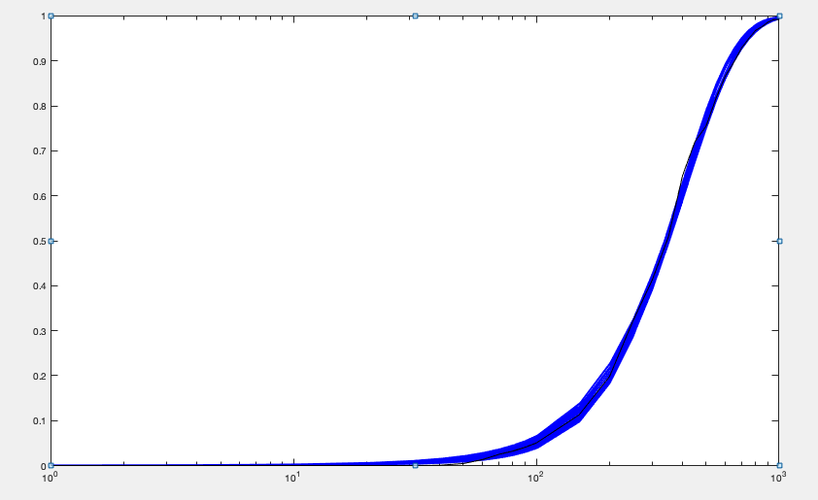
kon | koff | kt | kd | Objective function | kt/koff | 2konkoff/(kon+koff) | mean | var | burst size (moment) | frequency (moment)
0.02346180125 | 0.12859293431 | 18.687286084 | 0.014 | 0.0046690590488 | 145.321251 | 2.8345261478 | 375.18112719 | 38985.298054 | 103.91060538 | 3.6456993504
0.022818706831 | 0.1316289767 | 19.459434834 | 0.014 | 0.0047324455183 | 147.83549429 | 2.7781973631 | 374.12750167 | 40187.019828 | 107.41530534 | 3.5157301901
0.023491032058 | 0.12783444467 | 18.599346659 | 0.014 | 0.004794382498 | 145.4955799 | 2.8349140473 | 375.66615213 | 38982.957003 | 103.77021401 | 3.655399142
0.022988917717 | 0.1166527931 | 17.522511278 | 0.014 | 0.0048974944353 | 150.21081632 | 2.7434715871 | 375.02711364 | 39044.535708 | 104.11123433 | 3.6371120575
0.024077839374 | 0.13995838551 | 19.440883206 | 0.014 | 0.0049559911959 | 138.90474039 | 2.934800815 | 371.56355942 | 37780.2017 | 101.67897454 | 3.6905775124
0.022635645588 | 0.11828717079 | 17.809417017 | 0.014 | 0.0049978474934 | 150.56085033 | 2.7142583077 | 371.92790168 | 39204.929075 | 105.41002409 | 3.5621857665
0.024178018135 | 0.14130186926 | 19.521700028 | 0.014 | 0.0050303869415 | 138.15599278 | 2.9493434531 | 371.42234942 | 37647.055724 | 101.35915564 | 3.7009313902
0.022760444855 | 0.10371689425 | 16.057544841 | 0.014 | 0.005290036229 | 154.82091859 | 2.6663643225 | 375.26047622 | 38491.780479 | 102.57350006 | 3.6944722395
0.024575597858 | 0.14821245944 | 19.999467355 | 0.014 | 0.0053052229293 | 134.93782797 | 3.0114596193 | 370.5472424 | 37131.486822 | 100.20716004 | 3.7350856758
0.02350615196 | 0.11601692164 | 17.116978532 | 0.014 | 0.005440330821 | 147.53863739 | 2.7922789498 | 374.91548675 | 37999.955493 | 101.35605713 | 3.7358530963
0.023551069389 | 0.11346025414 | 16.607012265 | 0.014 | 0.0055174986677 | 146.36854457 | 2.7861204141 | 371.05516587 | 36960.387189 | 99.608873799 | 3.7628983232
0.022738480944 | 0.097455560037 | 15.258600962 | 0.014 | 0.005642630755 | 156.56983507 | 2.6338260755 | 374.63735682 | 37828.771273 | 100.97437051 | 3.7473339909
0.021320145525 | 0.094436814125 | 15.598944349 | 0.014 | 0.0057833376127 | 165.17863816 | 2.4847708338 | 372.66252676 | 40008.928627 | 107.35967733 | 3.5037951985
0.021170094415 | 0.1089789612 | 17.64325249 | 0.014 | 0.0059849115461 | 161.89595034 | 2.5323655547 | 372.7780302 | 41732.695097 | 111.95052207 | 3.3598582796
0.021001520074 | 0.092275567334 | 15.512342979 | 0.014 | 0.0060273000648 | 168.10888762 | 2.4439782686 | 372.93301918 | 40534.78904 | 108.69187483 | 3.4629633831
0.021244383333 | 0.083719836641 | 14.274281956 | 0.014 | 0.0063195822797 | 170.50059494 | 2.4206565718 | 374.2271076 | 39270.974251 | 104.93888191 | 3.6004534658
0.020510389629 | 0.086796231589 | 14.981570197 | 0.014 | 0.0063290546053 | 172.60622867 | 2.3700102273 | 371.03009364 | 40601.937963 | 109.43030945 | 3.4218300724
0.020767539696 | 0.080806500446 | 14.062748038 | 0.014 | 0.0064163106531 | 174.02991047 | 2.3602096466 | 372.23965553 | 39521.020016 | 106.17090208 | 3.5393787461
0.020739918488 | 0.10390884301 | 17.107572916 | 0.014 | 0.0064742525324 | 164.64020213 | 2.4698668806 | 369.54851488 | 41538.640588 | 112.40375462 | 3.3171998208
0.02307005889 | 0.093183091868 | 14.493804732 | 0.014 | 0.0065068841901 | 155.54114423 | 2.6416972701 | 373.13570044 | 36483.854656 | 97.776370937 | 3.8556488203
0.020334656105 | 0.079609356545 | 14.045632362 | 0.014 | 0.0066297693874 | 176.43192926 | 2.3139081931 | 369.87141088 | 39832.33279 | 107.6923807 | 3.4667087607
0.020577451627 | 0.09942331225 | 16.767160849 | 0.014 | 0.006690701475 | 168.64415869 | 2.4355540181 | 373.09907669 | 42285.215828 | 113.33508569 | 3.3213049546
0.025561657814 | 0.14750669774 | 19.106719151 | 0.014 | 0.0067258221746 | 129.53119718 | 3.1123257801 | 367.63950886 | 34949.870133 | 95.065599019 | 3.9083311295
0.021115041161 | 0.075198984037 | 13.11571985 | 0.014 | 0.0067417871499 | 174.41352457 | 2.3551378494 | 371.94184036 | 37921.983859 | 101.95675706 | 3.6841698484
0.025295422176 | 0.13671513922 | 18.102511998 | 0.014 | 0.0068071725031 | 132.4104419 | 3.0494195075 | 368.00978344 | 34902.16453 | 94.840317027 | 3.9216596352
0.025953466702 | 0.15808268085 | 19.98361702 | 0.014 | 0.006858270353 | 126.41243755 | 3.1847730911 | 367.31705906 | 34753.240904 | 94.613740493 | 3.9237515467
0.020522239623 | 0.10888199218 | 17.862408848 | 0.014 | 0.007037607898 | 164.05292087 | 2.4668020104 | 367.92889575 | 42108.529225 | 114.44746447 | 3.2431654375
0.021229151005 | 0.12896121013 | 19.881633901 | 0.014 | 0.0070983653932 | 154.1675507 | 2.6040638246 | 365.57429102 | 41443.552056 | 113.36560878 | 3.2534357709
0.019927767002 | 0.074790780653 | 13.556863493 | 0.014 | 0.0071345741641 | 181.26383192 | 2.247882637 | 368.81922968 | 39858.759583 | 108.07126195 | 3.4446145768
0.020506122213 | 0.11472401138 | 18.777164483 | 0.014 | 0.0072859355717 | 163.67248893 | 2.4852286307 | 369.99375385 | 43094.884348 | 116.47462667 | 3.2041130119
0.020692226931 | 0.12321332651 | 19.72493763 | 0.014 | 0.0073168500875 | 160.08769659 | 2.5309835436 | 368.79153415 | 43006.458286 | 116.61454861 | 3.1898367341
0.02470557247 | 0.11070256896 | 15.383452663 | 0.014 | 0.0074402721156 | 138.96202056 | 2.8854250893 | 364.81109223 | 33634.472832 | 92.196957682 | 4.0002550689
0.025950527191 | 0.13917941808 | 17.983458022 | 0.014 | 0.0075517726983 | 129.21061368 | 3.1246208359 | 368.04321141 | 34039.695089 | 92.488311247 | 4.0228440813
0.020432421236 | 0.11529565525 | 18.764370172 | 0.014 | 0.0075785318878 | 162.75001977 | 2.4795052998 | 367.07532686 | 42638.105456 | 116.15628275 | 3.1876274408
0.022547121291 | 0.072969432966 | 11.963026406 | 0.014 | 0.0076489084798 | 163.94572248 | 2.4606813947 | 365.26043834 | 33536.091525 | 91.814190657 | 4.0220634649
0.026334151048 | 0.16312801192 | 19.851654829 | 0.014 | 0.0077531774144 | 121.69372137 | 3.2391222145 | 359.72607194 | 32995.108455 | 91.722872008 | 3.965108952
0.025654806161 | 0.1288332951 | 16.738266812 | 0.014 | 0.0078073330213 | 129.92190255 | 3.0563548593 | 361.77117565 | 32790.399709 | 90.638508306 | 4.0358901825
0.025521590362 | 0.12180229768 | 16.27108959 | 0.014 | 0.0078492234453 | 133.58606447 | 3.0143383766 | 366.69295307 | 33466.606659 | 91.266020735 | 4.0623586826
0.021511592361 | 0.064433840397 | 11.544898801 | 0.014 | 0.0078621590192 | 179.17446376 | 2.3039111884 | 373.00603832 | 35577.631654 | 95.38084642 | 3.9521370327
0.020546795564 | 0.059744898404 | 11.298264546 | 0.014 | 0.0079126545679 | 189.10844017 | 2.1841188454 | 372.66840835 | 36620.198601 | 98.264832167 | 3.831481534
0.026596099843 | 0.14719917006 | 18.390580872 | 0.014 | 0.008085517759 | 124.93671577 | 3.2180095136 | 366.66792074 | 33237.154205 | 90.646474168 | 4.0901543997
0.021549162162 | 0.063090421835 | 11.152818322 | 0.014 | 0.0080980921735 | 176.77514269 | 2.2946806865 | 366.42566799 | 34034.5003 | 92.882413196 | 3.9879848084
0.026550534073 | 0.14482808555 | 18.109617825 | 0.014 | 0.0081342681268 | 125.04216814 | 3.205319834 | 365.49073859 | 32983.00184 | 90.243057779 | 4.0954528866
0.025994068376 | 0.12513407117 | 16.389490442 | 0.014 | 0.0082816231464 | 130.97544329 | 3.0747262478 | 366.82542792 | 32994.34694 | 89.94563743 | 4.1241531178
0.026636207364 | 0.14253440774 | 17.953069347 | 0.014 | 0.0083035433643 | 125.95603849 | 3.2060414601 | 368.20552905 | 33241.851144 | 90.280695212 | 4.1241337579
0.026346763644 | 0.12841066949 | 16.435237929 | 0.014 | 0.0086121919895 | 127.98966 | 3.1230492131 | 364.18330225 | 32211.26823 | 88.447954727 | 4.1645719833
0.019489207003 | 0.051990795341 | 10.640511952 | 0.014 | 0.0087444930939 | 204.66145752 | 2.0250606352 | 372.88200399 | 37275.766433 | 99.966654423 | 3.7677539588
0.018769897731 | 0.059265119534 | 12.034635491 | 0.014 | 0.0087495606427 | 203.06439244 | 2.0364488216 | 372.84435453 | 40762.988934 | 109.32977378 | 3.4417532829
0.027014037085 | 0.14330121112 | 17.821762649 | 0.014 | 0.0087610957366 | 124.36575036 | 3.2470410626 | 368.23108971 | 32757.296548 | 88.958530292 | 4.1864170363
0.019247850667 | 0.050986952041 | 10.585358356 | 0.014 | 0.0089234834255 | 207.6091614 | 1.996139482 | 372.67199069 | 37545.459193 | 100.7466623 | 3.7361850723
0.02287442728 | 0.11014324648 | 16.399812707 | 0.014 | 0.0068307943657 | 154.40078245 | 2.68727581 | 370.04710414 | 37528.723078 | 101.37903668 | 3.7100764934
0.0023691875428 | 0.029755816563 | 2.7465689247 | 1.0514012E-17 | 0.0012447851097 | 22.339678643 | 0.35549926796 | 3.7210617517 | 3264.1027293 | 8.3633703178 | 0.28969639018

2h 1h lipid A 500 ng
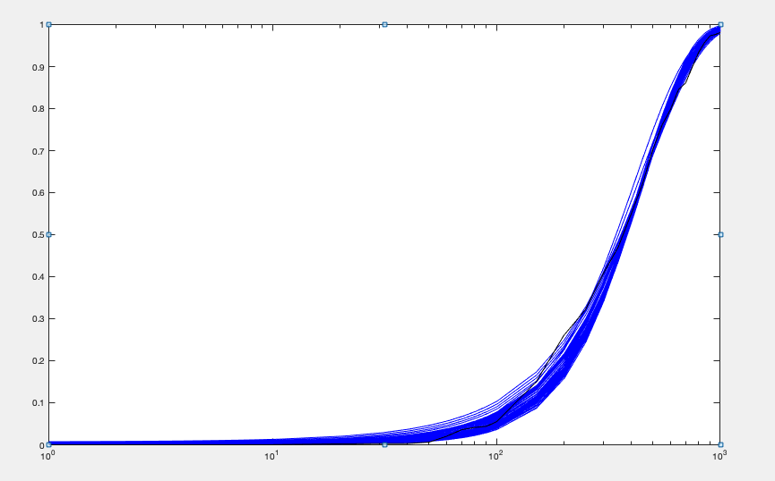
kon | koff | kt | kd | Objective function | kt/koff | 2konkoff/(kon+koff) | mean | var | burst size (moment) | frequency (moment)
0.018813456335 | 0.099855837328 | 19.520363939 | 0.014 |  | 195.48545645 | 2.2615471684 | 401.45272523 | 54205.203887 | 135.02263276 | 2.9954099317
0.018033363847 | 0.088091471504 | 18.296945912 | 0.014 |  | 207.70394227 | 2.1384324712 | 402.68887928 | 55593.176109 | 138.05490782 | 2.9381573099
0.017778811269 | 0.083315463295 | 17.674409388 | 0.014 |  | 212.13840371 | 2.0931662961 | 402.27787828 | 55629.897789 | 138.28724072 | 2.9301912995
0.017509338987 | 0.083974419156 | 18.058417054 | 0.014 |  | 215.04664438 | 2.0697704288 | 403.24930147 | 56992.312721 | 141.33270043 | 2.8735234214
0.018025463464 | 0.080872254152 | 17.016114001 | 0.014 |  | 210.40731682 | 2.1057251264 | 401.26029527 | 54078.651145 | 134.77199659 | 2.999583661
0.020144306394 | 0.10604696856 | 19.371040779 | 0.014 |  | 182.66472906 | 2.4183725716 | 401.47703553 | 50852.532607 | 126.66361487 | 3.1948550576
0.018952858918 | 0.082909920099 | 16.654808495 | 0.014 |  | 200.87835659 | 2.2037771005 | 401.14331449 | 51338.839707 | 127.9812921 | 3.159074127
0.017411966865 | 0.070219947908 | 15.539693601 | 0.014 |  | 221.30027241 | 1.9931867605 | 398.61397221 | 53509.754564 | 134.23953573 | 2.9917094055
0.017715804651 | 0.069085130858 | 15.206124286 | 0.014 |  | 220.10704904 | 2.0142947529 | 400.5993517 | 52723.650026 | 131.61192049 | 3.0670964043
0.01702482028 | 0.068145813201 | 15.454016909 | 0.014 |  | 226.77867036 | 1.9459594986 | 398.56949802 | 54460.753531 | 136.64054525 | 2.9384244753
0.016699166595 | 0.062623563188 | 14.766846469 | 0.014 |  | 235.80335767 | 1.883375344 | 400.49105597 | 54895.258238 | 137.06987315 | 2.9432750006
0.017704192932 | 0.063612630995 | 14.236042799 | 0.014 |  | 223.79270558 | 1.9785227313 | 399.54227687 | 51247.319178 | 128.26507267 | 3.1394495636
0.018401263992 | 0.068588908931 | 14.607784466 | 0.014 |  | 212.97589791 | 2.0726850562 | 398.89400023 | 49902.393746 | 125.10189102 | 3.2142459471
0.018840391958 | 0.071243560614 | 14.954438305 | 0.014 |  | 209.90582413 | 2.1285804886 | 404.02227845 | 50333.711577 | 124.58152499 | 3.2692773333
0.016576581347 | 0.057770433716 | 13.980245024 | 0.014 |  | 241.99653913 | 1.8400898104 | 400.95448423 | 54171.812092 | 135.10713615 | 2.9898072222
0.020358428093 | 0.087970529195 | 16.521735856 | 0.014 |  | 187.80989506 | 2.3617767555 | 402.34102559 | 48274.272942 | 119.98347141 | 3.3814866957
0.015723271418 | 0.062881792089 | 15.547448937 | 0.014 |  | 247.24882069 | 1.7968807609 | 400.52701148 | 58972.828371 | 147.23808053 | 2.7388694519
0.021281488073 | 0.10454268483 | 18.429799963 | 0.014 |  | 176.28971355 | 2.5260009936 | 404.72572286 | 48394.94992 | 119.57468277 | 3.413255793
0.016143418 | 0.052173471678 | 13.198865931 | 0.014 |  | 252.98040377 | 1.7612422801 | 400.292273 | 53948.486205 | 134.77273943 | 2.992330685
0.016918999438 | 0.054422642435 | 13.128388973 | 0.014 |  | 241.23027449 | 1.8437972402 | 400.08236246 | 51660.636468 | 129.12500354 | 3.1225939623
0.015213547206 | 0.061448121288 | 15.585393106 | 0.014 |  | 253.63498151 | 1.742058715 | 398.09072683 | 60139.492888 | 151.06981609 | 2.652703503
0.020797418694 | 0.085026579626 | 15.859604094 | 0.014 |  | 186.52525086 | 2.3871622487 | 403.75744748 | 47009.986696 | 116.43125592 | 3.4978173309
0.021067772581 | 0.088537857583 | 16.183031043 | 0.014 |  | 182.78091977 | 2.4311778322 | 403.15889938 | 46662.941704 | 115.74330066 | 3.5135724445
0.017798145248 | 0.10033550938 | 19.771466612 | 0.014 |  | 197.05353303 | 2.1595224676 | 386.37040411 | 53525.746986 | 138.53480084 | 2.8092555611
0.019282988889 | 0.064220836718 | 13.392985841 | 0.014 |  | 208.54580111 | 2.1185850244 | 398.94202607 | 46311.154984 | 116.08492452 | 3.4665011749
0.021285583634 | 0.090350923665 | 16.366426502 | 0.014 |  | 181.14287976 | 2.4610128361 | 404.55627079 | 46669.852539 | 115.36059606 | 3.537549512
0.020167082039 | 0.071997014125 | 14.169913935 | 0.014 |  | 196.81252212 | 2.2505970342 | 400.73738981 | 45851.549832 | 114.41794801 | 3.5332801981
0.021036860502 | 0.084649600503 | 15.599747076 | 0.014 |  | 184.28612756 | 2.4070684719 | 402.23670051 | 45987.495503 | 114.32943698 | 3.5492693798
0.020454568675 | 0.074963173199 | 14.534446942 | 0.014 |  | 193.88782948 | 2.2956787463 | 402.94022641 | 46120.392487 | 114.45963809 | 3.5513970712
0.022148060166 | 0.10610530123 | 18.065122977 | 0.014 |  | 170.25655428 | 2.617616267 | 405.16281575 | 46497.654685 | 114.7628876 | 3.561467402
0.022686948075 | 0.12049951957 | 19.636064993 | 0.014 |  | 162.95554591 | 2.727478759 | 404.55159828 | 46397.980552 | 114.68989555 | 3.5583777812
0.022247186893 | 0.10607669274 | 18.033324065 | 0.014 |  | 170.00269897 | 2.6271783276 | 406.04094977 | 46457.573175 | 114.41597997 | 3.5801035258
0.020830197367 | 0.076839171661 | 14.718788386 | 0.014 |  | 191.55318919 | 2.3410982337 | 406.13113195 | 46179.954082 | 113.7070036 | 3.6034240907
0.017925725136 | 0.049920311839 | 11.877093899 | 0.014 |  | 237.92106782 | 1.8842195161 | 402.71513785 | 47421.820405 | 117.7552467 | 3.449225189
0.014498408098 | 0.052651997031 | 14.217882739 | 0.014 |  | 270.03501369 | 1.6240092215 | 393.73795652 | 59452.572256 | 150.99527813 | 2.6250023429
0.021656163474 | 0.088670595423 | 16.023361001 | 0.014 |  | 180.70659078 | 2.4864644016 | 407.69700267 | 46229.491882 | 113.39178748 | 3.6274625739
0.022325761431 | 0.10108540701 | 17.355585634 | 0.014 |  | 171.69229612 | 2.6124154258 | 407.58667358 | 46093.071285 | 113.08777807 | 3.6363168279
0.02106885251 | 0.077398074811 | 14.658654904 | 0.014 |  | 189.39301707 | 2.365824992 | 405.85147677 | 45595.64488 | 112.34564241 | 3.644969556
0.02334950241 | 0.11187417163 | 18.137246433 | 0.014 |  | 162.12183892 | 2.7596670676 | 407.00625873 | 44709.837613 | 109.85049162 | 3.7391311026
0.023621570225 | 0.11583466403 | 18.579352903 | 0.014 |  | 160.39544862 | 2.802924071 | 409.12039595 | 44930.378602 | 109.82189851 | 3.7595410626
0.01845823342 | 0.045138330234 | 10.856701383 | 0.014 |  | 240.52066895 | 1.8715607704 | 403.60566241 | 44304.363099 | 109.77141112 | 3.7105858815
0.013852493521 | 0.053088243151 | 14.951127274 | 0.014 |  | 281.62784048 | 1.5694149372 | 396.77160454 | 63835.682356 | 160.88772893 | 2.4815638273
0.021750073179 | 0.072471402626 | 13.469119375 | 0.014 |  | 185.85426647 | 2.3898984464 | 402.03751268 | 42274.103759 | 105.14965003 | 3.8601907213
0.02186988948 | 0.070909790807 | 13.312464932 | 0.014 |  | 187.73803703 | 2.387821624 | 405.64912718 | 42468.967091 | 104.69384561 | 3.911988458
0.020536447419 | 0.05508927608 | 11.525736639 | 0.014 |  | 209.219243 | 2.1370997841 | 402.85655131 | 41614.062492 | 103.29746992 | 3.9380891004
0.024664917203 | 0.13642128595 | 19.974761795 | 0.014 |  | 146.41968557 | 2.9840453273 | 398.17218206 | 41972.921961 | 105.4139989 | 3.8133984549
0.017380542769 | 0.03531671922 | 9.4524821483 | 0.014 |  | 267.64893107 | 1.6640163772 | 396.51921312 | 41827.737246 | 105.48729005 | 3.7949037909
0.024415210391 | 0.10884133685 | 17.078486903 | 0.014 |  | 156.91177082 | 2.8488379246 | 406.6128321 | 42123.779969 | 103.59677965 | 3.9632124273
0.02523922926 | 0.13802771627 | 19.971711444 | 0.014 |  | 144.69348609 | 3.04821842 | 401.99593901 | 41781.108299 | 103.93415516 | 3.9053697812
0.020122579442 | 0.11931150168 | 19.889746568 | 0.014 |  | 166.70435195 | 2.4597953912 | 373.09668121 | 45113.896724 | 120.91744311 | 3.1112794898
0.019556187044 | 0.081628971393 | 15.908227253 | 0.014 |  | 203.23171322 | 2.2379930459 | 401.33827075 | 49334.953137 | 122.99662483 | 3.3335913262
0.0026723899954 | 0.023687433366 | 2.5142009204 | 1.0514012E-17 |  | 33.01294663 | 0.35684249124 | 5.6196174428 | 5474.0317622 | 14.208740007 | 0.38926591961

2h 1h lipid A 500 ng star
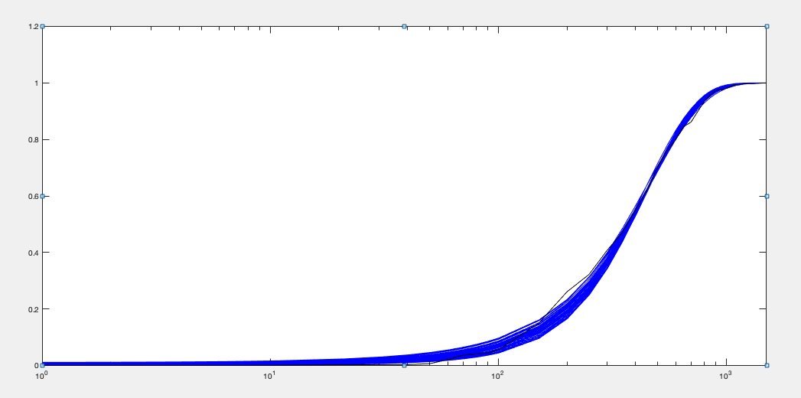
kon | koff | kt | kd | Objective function | kt/koff | 2konkoff/(kon+koff) | mean | var | burst size (moment) | frequency (moment)
0.025110058545 | 0.11473826965 | 19.781747878 | 0.014 |  | 172.40758413 | 2.9430707492 | 402.04978583 | 50869.708382 | 126.5258935 | 3.2029231151
0.022825874966 | 0.10419138567 | 19.743501277 | 0.014 |  | 189.4926452 | 2.6748440441 | 400.40264431 | 55140.676897 | 137.71306879 | 2.9287810439
0.02422451988 | 0.1062449368 | 19.079217188 | 0.014 |  | 179.57766047 | 2.8181008241 | 400.14787495 | 51639.035553 | 129.04988077 | 3.1249375051
0.024442031603 | 0.10712449134 | 19.092509639 | 0.014 |  | 178.22730732 | 2.8430378187 | 400.7611434 | 51358.431211 | 128.15222248 | 3.1518217738
0.023160937424 | 0.10088929502 | 19.116458522 | 0.014 |  | 189.47955298 | 2.6909498132 | 402.4865001 | 54387.876703 | 135.12969178 | 3.0007263475
0.023386374686 | 0.098088489047 | 18.473297231 | 0.014 |  | 188.33297781 | 2.6977176145 | 400.78228366 | 52980.259043 | 132.19211827 | 3.0549265378
0.022520369887 | 0.096493870897 | 18.779052157 | 0.014 |  | 194.61393747 | 2.6084245407 | 400.13709259 | 54968.280018 | 137.37361778 | 2.9341239097
0.025887152282 | 0.11556864291 | 19.474588613 | 0.014 |  | 168.51100889 | 3.0213810955 | 403.56552541 | 49557.831333 | 122.79996237 | 3.313346881
0.023489193761 | 0.09648205632 | 18.102894761 | 0.014 |  | 187.62965314 | 2.6986057241 | 399.25098185 | 52106.596913 | 130.51087983 | 3.0827601696
0.02263221377 | 0.092572293151 | 18.102623137 | 0.014 |  | 195.55120134 | 2.5980083887 | 399.99945674 | 54081.779245 | 135.20463174 | 2.9805190146
0.024694233682 | 0.10354370363 | 18.616359279 | 0.014 |  | 179.79228699 | 2.8484243179 | 404.72735926 | 51351.689217 | 126.87970813 | 3.2151914337
0.023461493561 | 0.094694849085 | 18.029694301 | 0.014 |  | 190.39783552 | 2.686129414 | 403.05178655 | 52933.566091 | 131.33192274 | 3.0925024206
0.024685389414 | 0.10001547406 | 17.973592818 | 0.014 |  | 179.70812004 | 2.8283925179 | 401.33307508 | 50108.249782 | 124.85452332 | 3.2403586426
0.025981469355 | 0.11491396039 | 19.22191326 | 0.014 |  | 167.27221998 | 3.027203068 | 401.3284169 | 48745.323437 | 121.45993502 | 3.3316340146
0.022691700702 | 0.090125836987 | 17.62946892 | 0.014 |  | 195.60948902 | 2.589653752 | 398.52773211 | 53176.026201 | 133.43118161 | 3.0093194612
0.026638413433 | 0.12236622969 | 19.956854017 | 0.014 |  | 163.09119 | 3.1251588142 | 404.58253223 | 48791.610242 | 120.59742168 | 3.3828700198
0.024546968132 | 0.095839465671 | 17.432567122 | 0.014 |  | 181.89340894 | 2.791686542 | 400.46642061 | 49707.640044 | 124.1243647 | 3.2525359345
0.026093373243 | 0.11104154492 | 18.669663037 | 0.014 |  | 168.13223421 | 3.0183502244 | 401.90441213 | 48267.29102 | 120.09644473 | 3.3746130124
0.022737495699 | 0.083738393079 | 16.666487949 | 0.014 |  | 199.03042483 | 2.5545707702 | 399.10788357 | 52228.190629 | 130.86233768 | 3.0733151021
0.026746197374 | 0.11943894486 | 19.401131348 | 0.014 |  | 162.43555543 | 3.1218118775 | 402.32518864 | 47775.352025 | 118.74810072 | 3.4168295384
0.022320078575 | 0.081580378454 | 16.614091305 | 0.014 |  | 203.65303054 | 2.5036057304 | 399.81568457 | 53210.869626 | 133.08849973 | 3.0268773239
0.021288657922 | 0.080491392317 | 17.197393536 | 0.014 |  | 213.6550635 | 2.4051215098 | 402.57041925 | 56842.470914 | 141.19882683 | 2.8714250208
0.020628106265 | 0.07669517775 | 16.838820577 | 0.014 |  | 219.55514116 | 2.3222695263 | 398.63154899 | 57134.372161 | 143.32626784 | 2.8008290741
0.021803080049 | 0.10327150456 | 19.929001473 | 0.014 |  | 192.97677087 | 2.5717647797 | 391.8339595 | 55570.781038 | 141.82226857 | 2.7824715756
0.024063875313 | 0.082316657463 | 15.924655638 | 0.014 |  | 193.45605286 | 2.6600701808 | 403.96129662 | 49788.404175 | 123.25043164 | 3.3043752172
0.022329307841 | 0.073648687342 | 15.456623246 | 0.014 |  | 209.86963657 | 2.4477697185 | 401.42180663 | 52149.967849 | 129.91314121 | 3.1138936098
0.027218591512 | 0.11329350961 | 18.491895792 | 0.014 |  | 163.22113999 | 3.1351542316 | 405.56526358 | 47003.704598 | 115.89677129 | 3.5298229795
0.025870010087 | 0.094032282931 | 16.632101294 | 0.014 |  | 176.87650215 | 2.8983314506 | 404.26645975 | 47381.698485 | 117.20412946 | 3.4789336802
0.020944925168 | 0.069440858086 | 15.456838545 | 0.014 |  | 222.58997039 | 2.2987710865 | 398.63851311 | 54621.708341 | 137.0206504 | 2.9307205335
0.024328049841 | 0.078939984041 | 15.152695283 | 0.014 |  | 191.95209458 | 2.6566869506 | 399.82748606 | 47596.191112 | 119.04181871 | 3.3871681275
0.023810289055 | 0.076499430955 | 15.182038126 | 0.014 |  | 198.45949096 | 2.5940707347 | 403.122791 | 49211.369132 | 122.07538306 | 3.329519022
0.022380742266 | 0.069586160905 | 14.662021827 | 0.014 |  | 210.70312885 | 2.4191776433 | 397.49517174 | 50181.50902 | 126.24432342 | 3.1737579867
0.026983148362 | 0.10418188211 | 17.335112631 | 0.014 |  | 166.39277655 | 3.061742874 | 402.94559838 | 45953.141264 | 114.04304067 | 3.5645325532
0.027418307878 | 0.12935528564 | 19.865710323 | 0.014 |  | 153.57478609 | 3.2318699376 | 394.51217445 | 45423.716152 | 115.13894651 | 3.4564203237
0.021449100083 | 0.063577715592 | 14.184903952 | 0.014 |  | 223.11125557 | 2.2911843818 | 396.97569705 | 51304.834018 | 129.23923152 | 3.0955869928
0.020218127674 | 0.089939335653 | 19.339322621 | 0.014 |  | 215.02630056 | 2.3581891857 | 398.49589921 | 60776.223667 | 152.51405043 | 2.6300920482
0.024843573998 | 0.076382408076 | 14.603387918 | 0.014 |  | 191.18784398 | 2.6780419813 | 401.10199769 | 46267.173906 | 115.35014578 | 3.507664944
0.028359764549 | 0.12140021586 | 18.711867116 | 0.014 |  | 154.13372195 | 3.2841899309 | 401.90682205 | 44707.978444 | 111.23966052 | 3.6457552587
0.020352931745 | 0.059647927721 | 14.099635457 | 0.014 |  | 236.38097744 | 2.1678520701 | 396.51611652 | 53506.710245 | 134.94208184 | 2.9603550362
0.028154701404 | 0.11360952867 | 18.052091658 | 0.014 |  | 158.8959295 | 3.2233018711 | 406.03611568 | 45316.781127 | 111.60775945 | 3.6709550731
0.024103615947 | 0.070313814894 | 13.955883868 | 0.014 |  | 198.47996996 | 2.5643224907 | 397.44340522 | 45995.884369 | 115.72939383 | 3.4641811653
0.019502962113 | 0.064312691461 | 15.317803222 | 0.014 |  | 238.17698923 | 2.1378345238 | 395.05246847 | 57171.950643 | 144.71989218 | 2.7487668024
0.025652335877 | 0.07594484688 | 14.317838822 | 0.014 |  | 188.52943169 | 2.7393373762 | 404.6552076 | 45215.727478 | 111.73889926 | 3.6541378891
0.02910199698 | 0.12283984866 | 18.645810834 | 0.014 |  | 151.78959464 | 3.3611401875 | 405.22930104 | 44217.108092 | 109.11626573 | 3.7480882114
0.022006749937 | 0.058450215385 | 13.044413673 | 0.014 |  | 223.17135339 | 2.2839171024 | 394.56990162 | 47852.888551 | 121.27860831 | 3.2804661374
0.018999988123 | 0.061194138242 | 15.145186567 | 0.014 |  | 247.49407381 | 2.0712024549 | 396.67071524 | 58626.562262 | 147.79654764 | 2.7021801372
0.029714635594 | 0.13108639393 | 19.255857263 | 0.014 |  | 146.89440061 | 3.4605183796 | 404.33153156 | 43595.57529 | 107.82135918 | 3.7851187691
0.029452703867 | 0.1217190203 | 18.280525778 | 0.014 |  | 150.18627108 | 3.387778539 | 404.07949429 | 43267.177634 | 107.07590523 | 3.8093428798
0.028930502396 | 0.10929868092 | 17.134755182 | 0.014 |  | 156.77000892 | 3.2679327749 | 405.87296483 | 43450.97476 | 107.05560243 | 3.8269827857
0.029471523577 | 0.11672739329 | 17.73087704 | 0.014 |  | 151.89988006 | 3.3615004984 | 405.16449288 | 43044.455344 | 106.23945607 | 3.8499295606
0.024353156908 | 0.095157790017 | 17.39805566 | 0.014 |  | 187.60499762 | 2.7606034403 | 400.91296801 | 50331.266474 | 125.59534533 | 3.2458877319
0.0027650934155 | 0.020151026209 | 1.9139817934 | 1.0514012E-17 |  | 24.917914035 | 0.35746665907 | 3.2968211302 | 4370.6543143 | 11.474609428 | 0.31465077395

ifng
kon | koff | kt | kd | Objective function | kt/koff | 2konkoff/(kon+koff) | mean | var | burst size (moment) | frequency (moment)
0.015699018682 | 0.19738354964 | 16.811170592 | 0.014 | 0.016769356674 | 85.17006925 | 2.0774830941 | 161.57932654 | 12115.284674 | 74.980413235 | 2.1840825087
0.014970425916 | 0.18730305061 | 17.225908949 | 0.014 | 0.0168853989 | 91.968117405 | 1.9803503449 | 166.24968587 | 13393.101673 | 80.560162284 | 2.0896096877
0.015805991183 | 0.18721781892 | 15.860773637 | 0.014 | 0.016931955365 | 84.718290858 | 2.0822070037 | 161.03979137 | 11874.287033 | 73.735111876 | 2.2140584817
0.016174837004 | 0.19873807669 | 16.519250829 | 0.014 | 0.016957095957 | 83.120713979 | 2.1367831155 | 162.20631009 | 11840.811229 | 72.998462405 | 2.25291353
0.01512204889 | 0.18587617787 | 16.733373456 | 0.014 | 0.01698546213 | 90.024303531 | 1.9977636438 | 164.16275496 | 12911.787628 | 78.652357113 | 2.1140730437
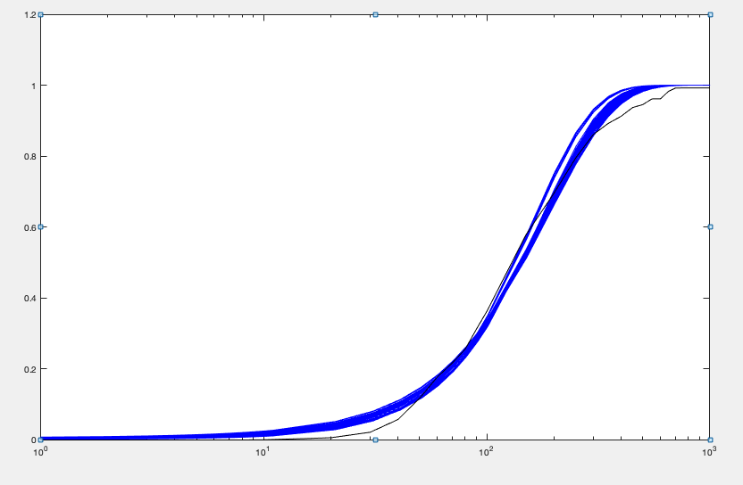
0.015080313444 | 0.18684471621 | 17.118552866 | 0.014 | 0.016990613168 | 91.619143497 | 1.9934391991 | 166.71197085 | 13359.657591 | 80.136162523 | 2.1066471451
0.01603273651 | 0.19241149779 | 15.986314407 | 0.014 | 0.016999125184 | 83.083987137 | 2.1142227841 | 160.39266505 | 11643.271489 | 72.592293949 | 2.2403621424
0.015844589941 | 0.19737236152 | 16.9660254 | 0.014 | 0.016999491943 | 85.959479175 | 2.0953065561 | 164.47658643 | 12428.647968 | 75.564846265 | 2.2058194266
0.015583921682 | 0.18090060206 | 15.807602961 | 0.014 | 0.017002772584 | 87.382810123 | 2.0497003756 | 163.47071252 | 12363.440459 | 75.630920477 | 2.1903885344
0.014950885629 | 0.17820879766 | 16.370088006 | 0.014 | 0.017057780301 | 91.859034014 | 1.9705231196 | 165.17671589 | 13160.136933 | 79.673075362 | 2.0995329741
0.016039332989 | 0.18343604311 | 15.461515326 | 0.014 | 0.017078925712 | 84.28831686 | 2.1070927114 | 162.12010092 | 11817.969853 | 72.896388452 | 2.2549129993
0.015160196908 | 0.15524664909 | 14.126439636 | 0.014 | 0.017240468082 | 90.993523655 | 1.9730677533 | 163.68172579 | 12505.994882 | 76.404343988 | 2.1707201088
0.014717887106 | 0.17472160721 | 16.55086775 | 0.014 | 0.017254286704 | 94.727080491 | 1.9392040859 | 167.59844282 | 13738.038277 | 81.969963719 | 2.0698841289
0.015786782567 | 0.16644229353 | 14.180260971 | 0.014 | 0.017269284111 | 85.196260341 | 2.059878505 | 160.09087801 | 11574.527564 | 72.299731929 | 2.245322299
0.01600383829 | 0.16447376942 | 13.944095433 | 0.014 | 0.01731729826 | 84.780056311 | 2.0835284476 | 161.12802313 | 11536.143785 | 71.59613555 | 2.2823915484
0.014637738944 | 0.18840315413 | 17.791679622 | 0.014 | 0.017328414839 | 94.4340858 | 1.940352398 | 167.25706349 | 13887.738569 | 83.03229938 | 2.0389171674
0.014705732278 | 0.17497959895 | 16.416807106 | 0.014 | 0.017333152616 | 93.821263758 | 1.9379487368 | 165.89071741 | 13475.788715 | 81.232928071 | 2.0676139011
0.014682241328 | 0.16710430138 | 15.843308216 | 0.014 | 0.017356548267 | 94.810894065 | 1.9280585455 | 166.73270337 | 13555.175801 | 81.298842558 | 2.0764023249
0.015237518818 | 0.14181353482 | 12.822661401 | 0.014 | 0.017445964124 | 90.419164977 | 1.9655904928 | 161.92180458 | 12014.636505 | 74.200238418 | 2.2120393058
0.016294597761 | 0.16982533331 | 14.249478217 | 0.014 | 0.017474697424 | 83.906670099 | 2.1240033471 | 162.60549976 | 11574.494393 | 71.181444728 | 2.3169300716
0.01444576142 | 0.19253517245 | 18.610897329 | 0.014 | 0.017495513913 | 96.662324562 | 1.9196503577 | 169.39237294 | 14476.195362 | 85.45954644 | 2.0056036301
0.015484253276 | 0.14035724793 | 12.40913205 | 0.014 | 0.017527916375 | 88.411052752 | 1.9922505139 | 160.46600856 | 11581.720715 | 72.175539347 | 2.2545106091
0.016031675816 | 0.15433798906 | 13.065156612 | 0.014 | 0.017555688136 | 84.652888712 | 2.0747293485 | 160.13491337 | 11272.597787 | 70.394379024 | 2.307606403
0.017116887717 | 0.19313832616 | 15.307624051 | 0.014 | 0.017613461778 | 79.257309283 | 2.2462001446 | 162.57631966 | 11167.178983 | 68.688841069 | 2.4018186321
0.016835682805 | 0.17353745143 | 14.048560644 | 0.014 | 0.017661216885 | 80.954056475 | 2.1924023042 | 161.96878856 | 11125.617024 | 68.689882313 | 2.392806473
0.014396798284 | 0.16623812857 | 16.26007511 | 0.014 | 0.01770219553 | 97.811947537 | 1.8927654214 | 168.84731693 | 14180.161896 | 83.982157097 | 2.0347424414
0.014364142976 | 0.17977488852 | 17.723389277 | 0.014 | 0.017814299196 | 98.586568029 | 1.9001935897 | 170.93790736 | 14708.255996 | 86.044436971 | 2.0099834093
0.01709057383 | 0.17405766315 | 13.847819226 | 0.014 | 0.017840976865 | 79.558802382 | 2.2232149619 | 161.42189903 | 10880.511192 | 67.404182813 | 2.4308995637
0.015595859024 | 0.12863470599 | 11.494439497 | 0.014 | 0.017879496522 | 89.357218252 | 1.9870651847 | 161.64197303 | 11498.107239 | 71.133177994 | 2.3047860891
0.014970197182 | 0.11941802453 | 11.172337579 | 0.014 | 0.017900531269 | 93.556543268 | 1.9003699576 | 161.72812576 | 11880.855723 | 73.461901986 | 2.2319056128
0.015335347118 | 0.12159149336 | 10.990420858 | 0.014 | 0.01790597439 | 90.388073662 | 1.9454056642 | 159.99031731 | 11364.420407 | 71.031926171 | 2.2845340126
0.014692966252 | 0.12472832688 | 11.947192564 | 0.014 | 0.01790830066 | 95.785719755 | 1.8777917699 | 163.67332522 | 12505.863945 | 76.407465468 | 2.1705188499
0.014818614619 | 0.11761290433 | 11.172058966 | 0.014 | 0.017983804728 | 94.990078084 | 1.8800663568 | 162.42295768 | 12082.985778 | 74.392105342 | 2.2130848669
0.016648590961 | 0.14752113103 | 12.200776328 | 0.014 | 0.018012763405 | 82.705279193 | 2.1371776013 | 161.11627634 | 10884.149878 | 67.554626542 | 2.4208125673
0.017362291018 | 0.16979513893 | 13.358025979 | 0.014 | 0.018087399301 | 78.671427599 | 2.2502313513 | 161.53937419 | 10678.271742 | 66.103213508 | 2.4812811147
0.015270837346 | 0.11706157063 | 10.606182017 | 0.014 | 0.018155246716 | 90.603448762 | 1.9298028479 | 159.02622304 | 11205.851307 | 70.465430749 | 2.2892857833
0.014645165389 | 0.10816480569 | 10.587332253 | 0.014 | 0.018265432065 | 97.88148913 | 1.8426743305 | 163.89039963 | 12272.653077 | 74.883294597 | 2.2182335063
0.013995959837 | 0.18700332569 | 18.615269773 | 0.014 | 0.018341793864 | 99.545126829 | 1.860199246 | 169.00081631 | 14845.242783 | 87.841248976 | 1.946089195
0.014431838098 | 0.11477124455 | 11.282810421 | 0.014 | 0.018348182678 | 98.306944958 | 1.8314025881 | 163.69257428 | 12574.090335 | 76.815276383 | 2.1590975077
0.01592596033 | 0.1181244197 | 10.292582963 | 0.014 | 0.018370113555 | 87.133405516 | 2.0048377352 | 158.91225194 | 10707.810486 | 67.381906399 | 2.3939091322
0.014008478626 | 0.15892488365 | 16.035533189 | 0.014 | 0.018391571437 | 100.90007821 | 1.8391029821 | 169.17637335 | 14566.465649 | 86.102245608 | 1.9879190277
0.018080891449 | 0.18874325257 | 13.172270717 | 0.014 | 0.018433618466 | 69.789359551 | 2.3571759323 | 150.22760365 | 8985.1772741 | 59.810428014 | 2.5544381962
0.018345844576 | 0.18518039761 | 12.742518794 | 0.014 | 0.018583664629 | 68.811380462 | 2.3845930183 | 149.83120486 | 8779.0803908 | 58.593137519 | 2.6015461444
0.015783951393 | 0.10729883627 | 9.5508763323 | 0.014 | 0.018623191628 | 89.011928405 | 1.9656916041 | 159.00917425 | 10633.856722 | 66.875743317 | 2.4137742702
0.018653872796 | 0.19217292411 | 12.862466478 | 0.014 | 0.018628352281 | 66.931731085 | 2.4290550576 | 148.49255548 | 8514.9012176 | 57.34227679 | 2.6355441055
0.017578617189 | 0.15078854803 | 11.684601946 | 0.014 | 0.018659497163 | 77.489982486 | 2.2490423227 | 158.90147605 | 10022.480355 | 63.073551012 | 2.5598902183
0.019065311674 | 0.19852271842 | 12.90490918 | 0.014 | 0.018800304193 | 65.004697108 | 2.4849696133 | 147.5701569 | 8253.0866421 | 55.926528882 | 2.6866827361
0.017188196062 | 0.12915706658 | 10.516551335 | 0.014 | 0.018814777091 | 81.424513682 | 2.1670641283 | 160.67478454 | 10233.209997 | 63.688960446 | 2.563047519
0.018706191315 | 0.17101254093 | 11.529724719 | 0.014 | 0.018943889456 | 67.420346227 | 2.4088240448 | 148.22549475 | 8324.9712683 | 56.1642333 | 2.6869854956
0.017747382286 | 0.14323514239 | 10.476660184 | 0.014 | 0.018945418986 | 73.143084922 | 2.2558338765 | 150.38793506 | 8822.3189193 | 58.663741317 | 2.6080155679
0.015862975531 | 0.16304286406 | 14.065087423 | 0.014 | 0.01775745371 | 86.740601444 | 2.0597257623 | 161.58740758 | 11795.980502 | 72.743750154 | 2.2736394802
0.0013018926132 | 0.028185011002 | 2.5368927149 | 1.0514012E-17 | 0.00062998094057 | 9.044042601 | 0.16668965953 | 5.5445424583 | 1675.3153143 | 8.1242677091 | 0.19433843507

ifng + lipid A
kon | koff | kt | kd | Objective function | kt/koff | 2konkoff/(kon+koff) | mean | var | burst size (moment) | frequency (moment)
0.018482287177 | 0.12759686164 | 19.810134687 | 0.014 | 0.01533849413 | 155.2556578 | 2.3062662153 | 325.926602 | 38388.69641 | 117.78325603 | 2.7908675703
0.018366895445 | 0.12611534276 | 19.699513031 | 0.014 | 0.015360522072 | 156.20235096 | 2.2902936951 | 325.60462864 | 38496.000756 | 118.22927984 | 2.7775025923
0.018115090526 | 0.12362708908 | 19.545696577 | 0.014 | 0.015392461714 | 158.1020529 | 2.2571322467 | 324.724427 | 38733.753222 | 119.2819203 | 2.7453428737
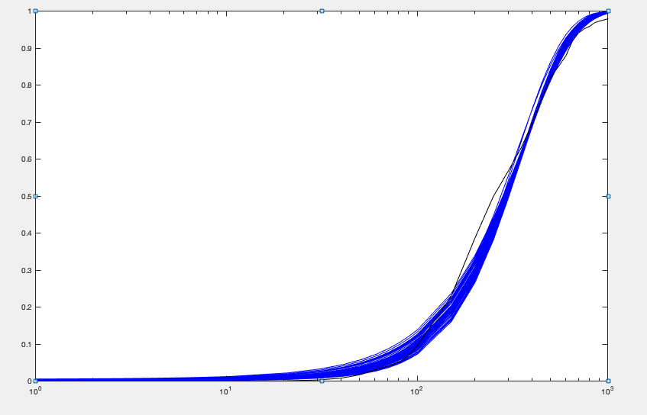
0.019281283793 | 0.13040637252 | 19.436005288 | 0.014 | 0.0155162678 | 149.04183677 | 2.3996656379 | 325.64978832 | 36722.771103 | 112.76767994 | 2.9136311006
0.018387138222 | 0.12940761927 | 19.885608736 | 0.014 | 0.015578078554 | 153.66644443 | 2.2999421851 | 321.74149702 | 37724.191861 | 117.25000415 | 2.7676686928
0.017598299755 | 0.115464908 | 18.847171554 | 0.014 | 0.015617044536 | 163.22856771 | 2.1815476124 | 323.80089468 | 39257.389999 | 121.23928823 | 2.6929708205
0.018003300134 | 0.11645092445 | 18.640371871 | 0.014 | 0.015640548765 | 160.07062166 | 2.2275249123 | 324.27660748 | 38456.150851 | 118.59057966 | 2.7576750486
0.018946196125 | 0.12387407537 | 18.808614497 | 0.014 | 0.015646389713 | 151.83656823 | 2.3475484279 | 324.39650681 | 36801.961047 | 113.44746406 | 2.8848717001
0.018689481431 | 0.11755400209 | 18.266167013 | 0.014 | 0.015735434642 | 155.38532663 | 2.3036733128 | 325.60886947 | 37263.191108 | 114.4415727 | 2.870278168
0.016913862918 | 0.11335501754 | 19.177343563 | 0.014 | 0.015823676283 | 169.17948565 | 2.1025427463 | 323.35428524 | 40758.941523 | 126.050414 | 2.5857914013
0.016311192539 | 0.11306991665 | 19.536872808 | 0.014 | 0.015958397919 | 172.78577174 | 2.036403694 | 319.81752787 | 41484.996654 | 129.71458109 | 2.4847031716
0.019744881556 | 0.12773075815 | 18.729681365 | 0.014 | 0.015958657478 | 146.63407339 | 2.4430462799 | 326.14641579 | 35741.385089 | 109.586932 | 3.0035512543
0.020112039414 | 0.13316441987 | 19.203821054 | 0.014 | 0.01601968241 | 144.2113522 | 2.4961507681 | 327.85403536 | 35660.190123 | 108.76849536 | 3.0422066698
0.018588476345 | 0.11198371607 | 17.482777908 | 0.014 | 0.016022957463 | 156.11892979 | 2.2774556672 | 323.27481626 | 36602.253217 | 113.22333623 | 2.8806380839
0.018864603015 | 0.10975507487 | 17.024617678 | 0.014 | 0.016163467018 | 155.11462862 | 2.2996769017 | 324.28037634 | 36078.450901 | 111.2569663 | 2.9411327668
0.015864748648 | 0.11037950085 | 19.594690407 | 0.014 | 0.016169202271 | 177.52109999 | 1.9815816718 | 319.63045738 | 42526.902398 | 133.05021914 | 2.4205219762
0.020221943114 | 0.13103700963 | 18.849560338 | 0.014 | 0.016185176054 | 143.84913385 | 2.5026362374 | 327.84403826 | 35338.563739 | 107.79077737 | 3.0699658373
0.020685488929 | 0.14485008391 | 19.938667578 | 0.014 | 0.016227958254 | 137.65036955 | 2.5858013958 | 324.40909328 | 34368.528966 | 105.94194083 | 3.0913197403
0.017238942938 | 0.10073814584 | 16.999801444 | 0.014 | 0.016251125182 | 168.7523758 | 2.1028527849 | 322.22056447 | 38700.698395 | 120.10623362 | 2.7053207433
0.01813397084 | 0.10282639511 | 16.78167601 | 0.014 | 0.016279530423 | 163.20397105 | 2.2021981401 | 326.47211847 | 37697.643649 | 115.46971859 | 2.8520391461
0.018426455912 | 0.10238754517 | 16.462791977 | 0.014 | 0.016299208175 | 160.78900953 | 2.2308667752 | 325.83080032 | 36847.975394 | 113.08929468 | 2.9068859898
0.019007461269 | 0.10677245087 | 16.584448853 | 0.014 | 0.016350655302 | 155.32516785 | 2.3050162893 | 325.39283322 | 35811.000742 | 110.05466957 | 2.9837588293
0.015825784273 | 0.10258059431 | 18.464848904 | 0.014 | 0.016423616087 | 180.00333327 | 1.9586521503 | 320.1036857 | 42164.629604 | 131.72178731 | 2.4487401243
0.017617384721 | 0.097268217545 | 16.231262529 | 0.014 | 0.016461020013 | 166.87118299 | 2.1308297444 | 322.76742088 | 37612.347917 | 116.53080665 | 2.7937779561
0.016034397024 | 0.10221847355 | 18.327741489 | 0.014 | 0.016495875652 | 179.29969849 | 1.9800323784 | 322.33282995 | 42104.585655 | 130.62456487 | 2.4866647018
0.019908422644 | 0.11527532934 | 17.109956043 | 0.014 | 0.016601463155 | 148.42686757 | 2.425217468 | 327.43908508 | 34980.385515 | 106.83020785 | 3.0940039875
0.017210123565 | 0.093438920853 | 16.139907314 | 0.014 | 0.016742206375 | 172.73216735 | 2.076185219 | 325.35739589 | 38885.543581 | 119.51639665 | 2.7452521768
0.016090753258 | 0.095799033491 | 17.315121143 | 0.014 | 0.016775164841 | 180.74421538 | 1.9681084077 | 322.74236038 | 41486.394647 | 128.5433824 | 2.5304516338
0.015334331174 | 0.10542002497 | 19.349455348 | 0.014 | 0.016792126751 | 183.54629827 | 1.912436864 | 318.76164265 | 43527.772155 | 136.55272885 | 2.3515693514
0.017713355352 | 0.091708590997 | 15.354477096 | 0.014 | 0.016811610217 | 167.42681279 | 2.1208423191 | 322.11287824 | 36742.426714 | 114.0669287 | 2.8488690897
0.019140962193 | 0.099441934879 | 15.625282712 | 0.014 | 0.016837478789 | 157.12971324 | 2.2930484713 | 327.23111975 | 35374.766088 | 108.10330666 | 3.0552849389
0.016096734372 | 0.094561999849 | 17.130913118 | 0.014 | 0.016844449208 | 181.16064747 | 1.9650367979 | 322.9325361 | 41403.007405 | 128.20946413 | 2.5385889195
0.015920022163 | 0.091824786673 | 16.673033406 | 0.014 | 0.016889190725 | 181.57443115 | 1.93824736 | 319.13567194 | 40683.860276 | 127.48139382 | 2.5231827568
0.019805792113 | 0.10643580494 | 16.044120347 | 0.014 | 0.016970506424 | 150.73987889 | 2.3855001331 | 326.84432523 | 34471.258094 | 105.46690101 | 3.1286878627
0.02027285383 | 0.11334607269 | 16.673975089 | 0.014 | 0.016976872678 | 147.10677391 | 2.456718225 | 328.70815702 | 34419.633681 | 104.71183312 | 3.1694373452
0.019463273677 | 0.10131413489 | 15.684142609 | 0.014 | 0.016984806541 | 154.80705261 | 2.332395435 | 328.0089277 | 35023.702564 | 106.77667467 | 3.100957075
0.021685711137 | 0.14720180105 | 19.614291845 | 0.014 | 0.017038831784 | 133.24763491 | 2.7001706597 | 327.99570542 | 33441.694462 | 101.95772051 | 3.2488422258
0.021030545373 | 0.12339843325 | 17.290511786 | 0.014 | 0.017236563315 | 140.1193786 | 2.5668932075 | 327.41567402 | 33351.41435 | 101.86260768 | 3.2461551566
0.018760132831 | 0.085572879774 | 14.015592421 | 0.014 | 0.017496839457 | 163.78544766 | 2.1981244084 | 326.38573963 | 34749.356928 | 106.46714212 | 3.0946675245
0.021579239159 | 0.13148467055 | 17.769380939 | 0.014 | 0.017515810151 | 135.14412642 | 2.6481367507 | 325.97663324 | 32528.003843 | 99.786305294 | 3.2998160248
0.014769796639 | 0.10211712668 | 19.491147802 | 0.014 | 0.017572814309 | 190.87050758 | 1.843355651 | 319.354099 | 45250.180989 | 141.69281412 | 2.2698678748
0.020104819038 | 0.10000058113 | 15.084310633 | 0.014 | 0.017575817604 | 150.84222974 | 2.391344346 | 327.67670862 | 33591.612318 | 102.51449503 | 3.2278809889
0.021825837262 | 0.14289573044 | 18.695782259 | 0.014 | 0.01758229185 | 130.83513553 | 2.7048404871 | 322.55444873 | 31948.95168 | 99.049793938 | 3.2897004244
0.016074111939 | 0.077638767617 | 14.456019005 | 0.014 | 0.017599492451 | 186.19588446 | 1.9024283037 | 320.51012843 | 39034.139182 | 121.78753718 | 2.6535032994
0.01737564729 | 0.076222515968 | 13.398520732 | 0.014 | 0.017788529588 | 175.78166453 | 2.0214309264 | 321.53733407 | 35765.47233 | 111.23272025 | 2.9168955764
0.022258652038 | 0.14216620553 | 18.544106304 | 0.014 | 0.018156154002 | 130.43962337 | 2.7493480238 | 326.87155443 | 32067.679341 | 98.104833248 | 3.366171832
0.021792578466 | 0.1218318798 | 16.590259576 | 0.014 | 0.018395630602 | 136.17338584 | 2.640846266 | 327.3590581 | 31953.141001 | 97.6088494 | 3.3884997092
0.018673427316 | 0.14033326074 | 19.895535972 | 0.014 | 0.018579585187 | 141.77348882 | 2.3543510533 | 304.08421608 | 33628.533479 | 110.58953968 | 2.7747558479
0.022854742558 | 0.15704126735 | 19.490656629 | 0.014 | 0.018714727 | 124.11168706 | 2.8501686201 | 322.6626443 | 30897.500567 | 95.757910354 | 3.4051262116
0.021921367716 | 0.1632669127 | 19.95012229 | 0.014 | 0.018770765255 | 122.19329661 | 2.7609229614 | 307.78651916 | 29644.823496 | 96.316185572 | 3.2291107466
0.018662496783 | 0.11480706363 | 17.794330192 | 0.014 | 0.016683303523 | 157.34014721 | 2.2891087247 | 323.61811367 | 36923.8891 | 114.1399891 | 2.8879021108
0.0020113129158 | 0.019466325808 | 1.7303399599 | 1.0514012E-17 | 0.0009062847505 | 17.053150486 | 0.25435597143 | 4.5570958283 | 3467.0167136 | 11.123824698 | 0.28973820589

dmog+lipid A
kon | koff | kt | kd | Objective function | kt/koff | 2konkoff/(kon+koff) | mean | var | burst size (moment) | frequency (moment)
0.010060878846 | 0.1217828731 | 19.903004589 | 0.014 | 0.028027504514 | 163.43024337 | 1.3275917394 | 197.1439308 | 26991.808741 | 136.91422623 | 1.4505025432
0.010514904862 | 0.12731710408 | 19.981656769 | 0.014 | 0.028064232046 | 156.94400932 | 1.387535084 | 197.98192622 | 26146.299702 | 132.06407373 | 1.5105735736
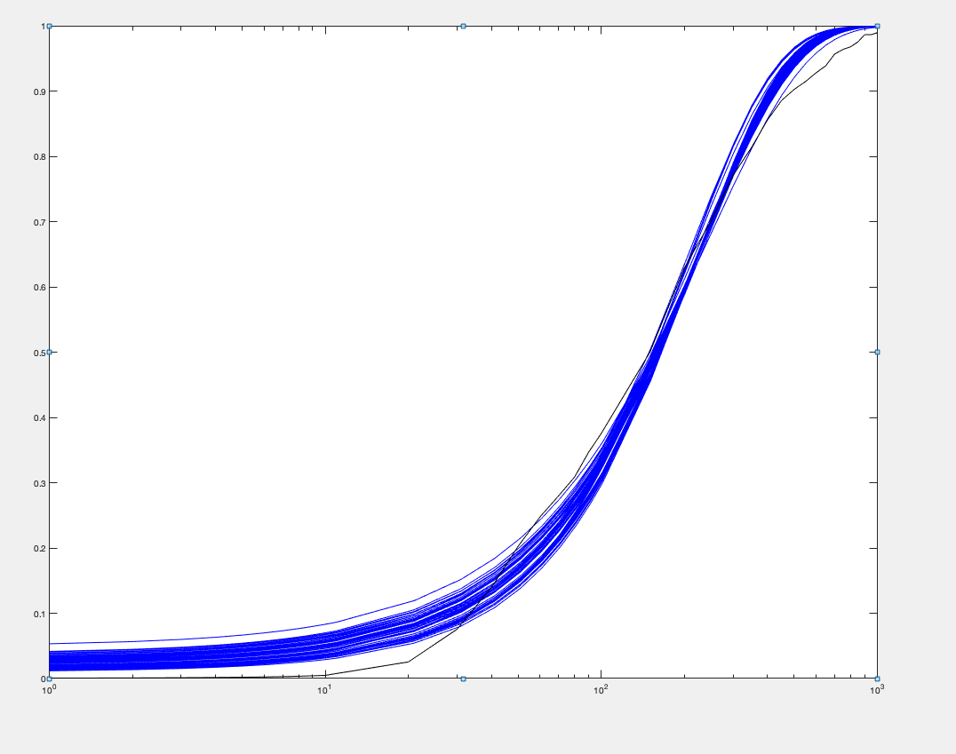
0.0098924482765 | 0.11665016614 | 19.510792368 | 0.014 | 0.028155716991 | 167.25901911 | 1.3027296776 | 197.88552294 | 27512.097163 | 139.03036844 | 1.4336375768
0.010764292814 | 0.12699642848 | 19.281416986 | 0.014 | 0.028273372485 | 151.82645069 | 1.4175995364 | 195.68936774 | 24915.500403 | 127.32168687 | 1.549135169
0.0096880545586 | 0.12040505737 | 19.872788071 | 0.014 | 0.028337960237 | 165.04944648 | 1.2809405154 | 192.06135163 | 26623.906102 | 138.62188241 | 1.3955727698
0.0098558814226 | 0.10832005772 | 18.190008405 | 0.014 | 0.028478116609 | 167.92834852 | 1.2905571767 | 196.66191549 | 26980.225511 | 137.19090167 | 1.4440165465
0.0094157300921 | 0.10626801131 | 18.769629253 | 0.014 | 0.028499679648 | 176.62539293 | 1.2356235813 | 197.96312981 | 28606.463376 | 144.50399629 | 1.3794955884
0.010556393291 | 0.11549452173 | 17.968289547 | 0.014 | 0.028500367217 | 155.57698563 | 1.3817609157 | 195.25945757 | 24976.159717 | 127.91267593 | 1.5385339261
0.010790023733 | 0.12056861788 | 18.372452491 | 0.014 | 0.028527679594 | 152.38171271 | 1.4148161013 | 195.9221124 | 24725.412487 | 126.20021387 | 1.5648704291
0.010569159402 | 0.11449040751 | 17.907640631 | 0.014 | 0.028530901136 | 156.41171187 | 1.3822754307 | 196.36075396 | 25190.592033 | 128.28730551 | 1.5426577944
0.010609605298 | 0.11419972241 | 17.731525259 | 0.014 | 0.028553028124 | 155.2676739 | 1.3868171121 | 195.56267784 | 24876.512411 | 127.20480557 | 1.5495660166
0.011136307498 | 0.1354959422 | 19.92173567 | 0.014 | 0.028568309985 | 147.02828252 | 1.4700766033 | 196.65577204 | 24493.743366 | 124.55135749 | 1.5916925239
0.0099997917478 | 0.1048752588 | 17.30656637 | 0.014 | 0.028662940674 | 165.02048785 | 1.3041881374 | 195.23808904 | 26055.391135 | 133.45444664 | 1.4740017719
0.010992693892 | 0.12044776108 | 18.050357802 | 0.014 | 0.02884718068 | 149.86046765 | 1.439049631 | 195.99084583 | 24256.105893 | 123.76142258 | 1.5965182035
0.011339919111 | 0.14651144095 | 19.990899404 | 0.014 | 0.02886612216 | 136.44599544 | 1.5036097327 | 186.80778781 | 21924.799706 | 117.36555506 | 1.6053529561
0.010360839045 | 0.10161853618 | 16.680843224 | 0.014 | 0.029018006686 | 164.15157953 | 1.3431724691 | 199.95853601 | 26173.580501 | 130.89503966 | 1.5393854649
0.010334687152 | 0.09795550794 | 15.763481039 | 0.014 | 0.029126144997 | 160.92490734 | 1.3354850145 | 194.82210091 | 24768.368299 | 127.13325738 | 1.5445736117
0.011029282876 | 0.11274936812 | 16.835052001 | 0.014 | 0.029265321126 | 149.31393658 | 1.4352171224 | 194.62782753 | 23598.881378 | 121.25132196 | 1.6185088394
0.011167464887 | 0.11743266962 | 17.241300211 | 0.014 | 0.029313026522 | 146.81860055 | 1.4568138668 | 194.34484444 | 23367.417748 | 120.23688004 | 1.629905482
0.0092340442264 | 0.08951926921 | 16.183370224 | 0.014 | 0.029388531849 | 180.7808572 | 1.1958005867 | 195.64505532 | 27737.34011 | 141.77378552 | 1.3897832938
0.011688706151 | 0.13871388519 | 19.386697509 | 0.014 | 0.029415679446 | 139.7603238 | 1.5400436053 | 195.90026565 | 23171.154728 | 118.280364 | 1.6703586089
0.011036470525 | 0.10876114324 | 16.299836964 | 0.014 | 0.029443133375 | 149.8682018 | 1.4313892929 | 194.75279298 | 23477.296828 | 120.54921765 | 1.6290595356
0.0090533326573 | 0.088912488605 | 16.405343087 | 0.014 | 0.029457866995 | 184.51112261 | 1.173812205 | 195.97511089 | 28390.568676 | 144.86823631 | 1.362184704
0.010230431652 | 0.09049348532 | 14.717793084 | 0.014 | 0.029570997641 | 162.63925555 | 1.3130480743 | 193.3804178 | 24331.041042 | 125.81957014 | 1.5492796328
0.011517993967 | 0.15305460356 | 19.884271685 | 0.014 | 0.029571553937 | 129.91619476 | 1.5302686447 | 181.09801158 | 20392.084024 | 112.60247336 | 1.6227060756
0.011388497296 | 0.11455998665 | 16.737126807 | 0.014 | 0.029763915629 | 146.09923845 | 1.4798182982 | 196.40666978 | 23280.444195 | 118.53184121 | 1.6710932778
0.011802305117 | 0.12849585402 | 17.939054155 | 0.014 | 0.029926638472 | 139.60803865 | 1.5442085064 | 196.08902072 | 22732.703829 | 115.93052862 | 1.7061526043
0.010169428825 | 0.083019262563 | 13.944234996 | 0.014 | 0.029981591424 | 167.96385039 | 1.2942380962 | 196.59353199 | 24899.201199 | 126.65320648 | 1.5645723455
0.012028843896 | 0.13635768077 | 18.637466892 | 0.014 | 0.030068778175 | 136.68072665 | 1.5791049372 | 196.42914786 | 22546.14268 | 114.78002591 | 1.7263939456
0.01031938553 | 0.082621077986 | 13.642213773 | 0.014 | 0.03007315444 | 165.11783803 | 1.310514471 | 195.69119123 | 24262.250616 | 123.98233392 | 1.5912138353
0.011860441721 | 0.12553554723 | 17.470500321 | 0.014 | 0.030138071549 | 139.16775532 | 1.5480874485 | 195.92218505 | 22499.000433 | 114.83641032 | 1.721085411
0.012060667736 | 0.13498549323 | 18.280444722 | 0.014 | 0.030217520911 | 135.42525411 | 1.581636651 | 194.92351292 | 22110.97378 | 113.43410268 | 1.7336689515
0.0097999370534 | 0.075511669481 | 13.129039508 | 0.014 | 0.030402036222 | 173.86768956 | 1.2391708765 | 194.51489657 | 24903.741531 | 128.02999652 | 1.5312516879
0.011908688066 | 0.1184943165 | 16.584141119 | 0.014 | 0.030502106944 | 139.9572706 | 1.5458800832 | 196.64317536 | 22367.871986 | 113.74852926 | 1.7440863899
0.011603969412 | 0.10637730934 | 15.271123339 | 0.014 | 0.030509452602 | 143.55620981 | 1.4946669708 | 194.77972071 | 22174.930763 | 113.84619858 | 1.7260636437
0.012601813749 | 0.16103675986 | 19.482276643 | 0.014 | 0.030522113422 | 120.98030698 | 1.6696053617 | 184.10635645 | 19294.045843 | 104.79836881 | 1.7736921935
0.012648977363 | 0.16511653797 | 19.965644868 | 0.014 | 0.030529201723 | 120.91850468 | 1.6784191782 | 185.01732775 | 19467.646632 | 105.220667 | 1.7752460532
0.0096930917356 | 0.073757241823 | 13.010182406 | 0.014 | 0.030529332575 | 176.3919323 | 1.2238857374 | 194.81444414 | 25157.94803 | 129.13800176 | 1.5203486979
0.0094517582026 | 0.072591176546 | 13.13202418 | 0.014 | 0.030602723369 | 180.90386194 | 1.1946954542 | 194.95355719 | 25808.323874 | 132.38190801 | 1.4838691273
0.010744156773 | 0.081948206821 | 12.853175559 | 0.014 | 0.030623474127 | 156.84511056 | 1.3569685897 | 192.48541302 | 22436.56185 | 116.56240074 | 1.6656404833
0.012574528133 | 0.15375654275 | 18.649929732 | 0.014 | 0.030635160211 | 121.29519433 | 1.6605573469 | 183.52285261 | 19104.454387 | 104.09850389 | 1.7800728981
0.0083289713546 | 0.092903119275 | 19.106843762 | 0.014 | 0.030663057182 | 205.6641791 | 1.0919567026 | 203.24927375 | 33598.658712 | 165.3076446 | 1.2370043661
0.011757433291 | 0.10789690332 | 15.346683796 | 0.014 | 0.030679777094 | 142.23470112 | 1.5145897746 | 195.59828894 | 22100.199843 | 112.98769515 | 1.7466051844
0.0091023210304 | 0.070583122914 | 13.319789803 | 0.014 | 0.030799133123 | 188.71068965 | 1.1517971024 | 195.92433569 | 26994.525456 | 137.78035976 | 1.4324010847
0.012190450517 | 0.12234683241 | 16.740312188 | 0.014 | 0.030872392307 | 136.82669063 | 1.583695903 | 197.02350394 | 22009.813133 | 111.71161152 | 1.7796101171
0.01276758045 | 0.14961370498 | 19.223562227 | 0.014 | 0.03105402707 | 128.48797661 | 1.6805288242 | 196.6962266 | 21496.910958 | 109.28990012 | 1.8163857053
0.012207409861 | 0.11358367119 | 15.475842182 | 0.014 | 0.031265256502 | 136.25058972 | 1.5746771963 | 194.93371798 | 21264.412048 | 109.08534587 | 1.803516623
0.012397652459 | 0.12159688104 | 16.259619152 | 0.014 | 0.031279855664 | 133.71740305 | 1.6072253438 | 195.40658143 | 21246.213335 | 108.72823821 | 1.8138844993
0.0095765167224 | 0.065301698306 | 11.707332032 | 0.014 | 0.031305589584 | 179.28066705 | 1.193104612 | 192.55994223 | 24262.432234 | 125.99937429 | 1.540487249
0.0092863446393 | 0.063792813266 | 11.855137741 | 0.014 | 0.031474783841 | 185.83813966 | 1.1580437794 | 193.61051017 | 25234.721998 | 130.33756265 | 1.4969395295
0.010802210178 | 0.11241635476 | 16.998409091 | 0.014 | 0.029697650377 | 154.75062053 | 1.404745982 | 194.63169977 | 24218.737609 | 124.2999164 | 1.5912631708
0.001111014296 | 0.025026807911 | 2.3905651721 | 1.0514012E-17 | 0.0010066806615 | 19.331771193 | 0.15543907724 | 4.0044363272 | 2672.9633814 | 12.14249571 | 0.13573111186

control (lipid A 0ng) 4var
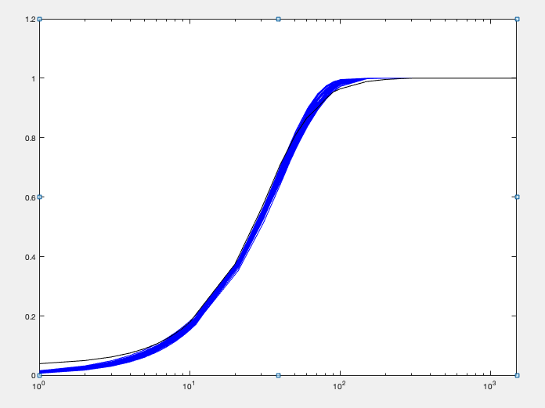
kon | koff | kt | kd | Objective function | kt/koff | 2konkoff/(kon+koff) | mean | var | burst size (moment) | frequency (moment)
0.02152458766 | 0.16618534549 | 4.1705596972 | 0.029271184104 | 0.0052979353071 | 25.095833118 | 1.3020570525 | 32.471853305 | 587.71705065 | 18.099276476 | 1.8990191399
0.020700620573 | 0.15744440377 | 4.1593174117 | 0.029101147173 | 0.0053508613629 | 26.417689751 | 1.2573517288 | 33.000436608 | 621.3320427 | 18.827994614 | 1.8510459153
0.020509153368 | 0.16509192012 | 4.3160663553 | 0.028936253153 | 0.0053865772078 | 26.143413634 | 1.2609003581 | 32.745364884 | 621.75926652 | 18.987703106 | 1.8204305847
0.023182682793 | 0.17613510749 | 4.7641862314 | 0.033095628728 | 0.0054725698886 | 27.048476021 | 1.2380064791 | 33.377224134 | 639.14003302 | 19.148987059 | 1.8390681543
0.014963258029 | 0.15731090242 | 4.1207342758 | 0.020386373372 | 0.0054976220416 | 26.194842267 | 1.3404631116 | 34.090506253 | 717.78303119 | 21.055217716 | 1.6998322699
0.027327098155 | 0.192715093 | 5.1185236521 | 0.039216498919 | 0.0055536610035 | 26.560055948 | 1.2205749742 | 32.380301659 | 592.26950489 | 18.29104346 | 1.872663251
0.019443286948 | 0.17235152197 | 4.6620683769 | 0.028078128901 | 0.0056423363398 | 27.04976622 | 1.2445426727 | 33.406500451 | 673.72596545 | 20.167511004 | 1.742871072
0.025065650086 | 0.15243007486 | 4.2611211262 | 0.036851167872 | 0.0056846582618 | 27.954595772 | 1.1682626116 | 32.600252198 | 589.59329215 | 18.085543896 | 1.9080605451
0.016785545685 | 0.1170144853 | 2.9093410724 | 0.022605945068 | 0.0057609140923 | 24.863084813 | 1.2987519265 | 31.622510567 | 555.97484053 | 17.581616088 | 1.9070825424
0.021085132225 | 0.15394767492 | 4.2061478726 | 0.030841204092 | 0.0057707570331 | 27.321931785 | 1.2026207014 | 32.698161982 | 622.34829557 | 19.033127792 | 1.8132274312
0.027739148973 | 0.16316337459 | 4.4036686899 | 0.039956729832 | 0.0058610173348 | 26.989320986 | 1.1867089041 | 31.994393994 | 553.66654646 | 17.305111219 | 1.9622309571
0.024331439405 | 0.14630364068 | 4.1728205756 | 0.035690232455 | 0.0058846969921 | 28.521645506 | 1.1690557806 | 33.271022828 | 610.87616043 | 18.360606573 | 1.9164666101
0.020723022467 | 0.18953842898 | 5.3528252522 | 0.030795024814 | 0.005967506107 | 28.241371847 | 1.2132216555 | 34.099139175 | 718.73286737 | 21.077742276 | 1.6983552586
0.030170238612 | 0.18508875458 | 5.340609895 | 0.045525696416 | 0.0059849607393 | 28.854318606 | 1.1396483633 | 32.868313152 | 611.32505985 | 18.599222206 | 1.8676003273
0.027943978175 | 0.19209361788 | 5.6180987227 | 0.041919054537 | 0.0060249742613 | 29.246670371 | 1.1639190994 | 34.013617 | 670.57238644 | 19.714821462 | 1.817469489
0.026295737857 | 0.16348513925 | 4.7512838778 | 0.039120604618 | 0.0060289363882 | 29.062481761 | 1.1580721859 | 33.615082369 | 634.76942332 | 18.88347071 | 1.879673298
0.032334769154 | 0.17122227493 | 5.0674814661 | 0.048758244817 | 0.0060506260688 | 29.595924175 | 1.1156444878 | 33.008594489 | 590.36250827 | 17.885114995 | 1.9548930818
0.033632852922 | 0.19500668938 | 5.0042792054 | 0.04649706441 | 0.0061575108814 | 25.662089959 | 1.233861282 | 31.650863811 | 522.3831134 | 16.504545232 | 2.0413925941
0.029978734149 | 0.17879712542 | 5.4022152526 | 0.046234731927 | 0.0062202557642 | 30.214217595 | 1.1105936714 | 33.541198685 | 641.71568853 | 19.132163241 | 1.8498178204
0.02687936743 | 0.19986119393 | 4.741710452 | 0.035661024769 | 0.0063181197842 | 23.725018143 | 1.3287842766 | 31.460151911 | 532.97284015 | 16.941203642 | 1.9735117007
0.020601657747 | 0.18084994525 | 5.2818255785 | 0.03130849336 | 0.0063992694588 | 29.205569132 | 1.1814562632 | 34.35255227 | 736.06201206 | 21.426705249 | 1.6817470978
0.032629372701 | 0.15596590085 | 4.3625289162 | 0.048053555534 | 0.0064533229841 | 27.97104298 | 1.1230834996 | 31.403889851 | 509.99309798 | 16.23980661 | 2.0606488426
0.032328623801 | 0.1417956953 | 4.3528082889 | 0.05034483411 | 0.0064995135592 | 30.697746357 | 1.0458416043 | 32.097329594 | 538.77422943 | 16.785640309 | 2.0333245257
0.032656132439 | 0.18830087344 | 5.7495461642 | 0.051261702525 | 0.0065261238718 | 30.533826313 | 1.0857910975 | 33.145448942 | 629.35012707 | 18.987527614 | 1.8426906495
0.022681793907 | 0.10441524857 | 3.3027384005 | 0.035464890204 | 0.0065704337308 | 31.630805326 | 1.0508416024 | 33.158365137 | 587.58442881 | 17.720548838 | 1.9830907142
0.035397273248 | 0.17460013121 | 5.5328740356 | 0.05637932826 | 0.0066048457795 | 31.688830915 | 1.0440241524 | 33.079111914 | 604.01548489 | 18.259724942 | 1.9165491933
0.02915007831 | 0.12893482302 | 4.1597553323 | 0.046313358642 | 0.0067127817903 | 32.26246591 | 1.026699334 | 33.110050314 | 582.58558847 | 17.595430479 | 1.9951305485
0.016505664249 | 0.10058911105 | 3.1229703856 | 0.025408813458 | 0.0067230417873 | 31.046803705 | 1.1160716334 | 34.189326291 | 685.64835471 | 20.054456437 | 1.7942955447
0.036706486387 | 0.16290725199 | 5.2276996646 | 0.057693202716 | 0.0067427235161 | 32.090036513 | 1.0384800354 | 33.320914529 | 585.55365171 | 17.573156679 | 2.0105351789
0.018867534634 | 0.12706298336 | 3.7364818599 | 0.029129500836 | 0.006748024629 | 29.406533366 | 1.127937493 | 32.945151606 | 648.59970607 | 19.687258199 | 1.762974068
0.042990156135 | 0.17152027763 | 5.5285969607 | 0.068722720343 | 0.0067505541185 | 32.232905852 | 1.0003816701 | 32.242948995 | 535.26747963 | 16.601070818 | 2.0667138411
0.022033698333 | 0.1285152715 | 4.0840763744 | 0.034969887013 | 0.0067583772434 | 31.778918776 | 1.075722161 | 34.098919533 | 675.88606542 | 19.821333775 | 1.8117164246
0.023379859576 | 0.14087551958 | 4.4676415618 | 0.037088890377 | 0.0067902237619 | 31.713399 | 1.0812944739 | 34.231387155 | 686.15632239 | 20.044654319 | 1.7974275921
0.041020067703 | 0.18641966203 | 5.1241908335 | 0.059421198214 | 0.0067960412151 | 27.487394718 | 1.1316453655 | 31.102612376 | 486.24175873 | 15.63347004 | 2.1254434042
0.03287736354 | 0.19489826491 | 6.2209785777 | 0.05283569446 | 0.0067966577293 | 31.91910703 | 1.0648790395 | 33.982588663 | 678.12237471 | 19.954994643 | 1.7928039181
0.018979075234 | 0.12204487783 | 3.7456482351 | 0.029925528228 | 0.0069232810505 | 30.690745092 | 1.0977157378 | 33.489423805 | 671.57298501 | 20.053285745 | 1.7576718396
0.024463517004 | 0.1649466565 | 3.8595690479 | 0.031737346124 | 0.0070101541442 | 23.398892283 | 1.3425129879 | 31.284902136 | 508.17948005 | 16.243601398 | 2.0523301102
0.025716867259 | 0.11420971107 | 3.6393606398 | 0.041536530958 | 0.0070144549332 | 31.865597117 | 1.0106962516 | 32.178106394 | 559.08085303 | 17.374572829 | 1.9651264634
0.038254499854 | 0.13893613433 | 4.6368660149 | 0.060869195948 | 0.0072304277089 | 33.37408254 | 0.98557438487 | 32.889752938 | 535.01349721 | 16.26687492 | 2.1543212419
0.033122570313 | 0.15095723286 | 5.0535496961 | 0.054933724573 | 0.0072341584949 | 33.476698006 | 0.98892365585 | 33.100772045 | 606.75929657 | 18.330669017 | 1.9099535057
0.023495783502 | 0.1207226525 | 3.2738124641 | 0.032729071451 | 0.007248983099 | 27.118460342 | 1.2018609674 | 32.473113616 | 536.84086108 | 16.531856705 | 2.090742545
0.036702231147 | 0.16487525334 | 5.5043602688 | 0.060972084268 | 0.0072944498854 | 33.384999613 | 0.98470212494 | 32.870790454 | 596.24275692 | 18.13898445 | 1.9178960427
0.03012281863 | 0.12658573743 | 3.4890689504 | 0.042939521799 | 0.0073236662183 | 27.562891534 | 1.1333406498 | 31.217125919 | 471.95536762 | 15.118475956 | 2.2110832654
0.03035441067 | 0.11908419634 | 3.3422061669 | 0.044061760584 | 0.0073697431049 | 28.065908572 | 1.0979467418 | 30.797263989 | 454.7178919 | 14.764879506 | 2.237379846
0.043049942595 | 0.13990431307 | 4.5895206393 | 0.069116278567 | 0.0073898007261 | 32.804711582 | 0.95260051826 | 31.248001781 | 466.17406961 | 14.918524163 | 2.2450657423
0.031326025068 | 0.19887858371 | 4.9833113914 | 0.041725297482 | 0.0074834888359 | 25.057053899 | 1.2972086905 | 32.47859888 | 546.52754017 | 16.827312724 | 2.0520602232
0.037835186188 | 0.12253819261 | 4.2359191228 | 0.06362981265 | 0.0076141081093 | 34.56815408 | 0.9086662923 | 31.408847318 | 485.09949727 | 15.444676857 | 2.1744236737
0.017500734085 | 0.14024113202 | 4.2994047507 | 0.027877021878 | 0.0076404677895 | 30.65723079 | 1.1162676019 | 33.940399692 | 737.52248417 | 21.729929255 | 1.6372655823
0.043874195906 | 0.18893350604 | 5.0604098655 | 0.062409751081 | 0.0079071097941 | 26.784078545 | 1.1410333951 | 30.558853712 | 455.45101114 | 14.904060716 | 2.1978366131
0.023522930162 | 0.084506536695 | 2.9794370747 | 0.038338679914 | 0.0079245564572 | 35.256882973 | 0.95991401052 | 33.788764365 | 572.45343503 | 16.942123981 | 2.119464408
0.0277752571 | 0.1556040489 | 4.5098043345 | 0.041914792311 | 0.0065279456477 | 29.209890423 | 1.1353230952 | 32.762016073 | 593.64903252 | 18.073152599 | 1.9342484938
0.0074886634041 | 0.028976313209 | 0.78481646591 | 0.01246763986 | 0.00071374228349 | 2.9017547051 | 0.10840133704 | 1.0093794767 | 74.38151252 | 1.7751179223 | 0.15356006774

lipid A 10ng 4var
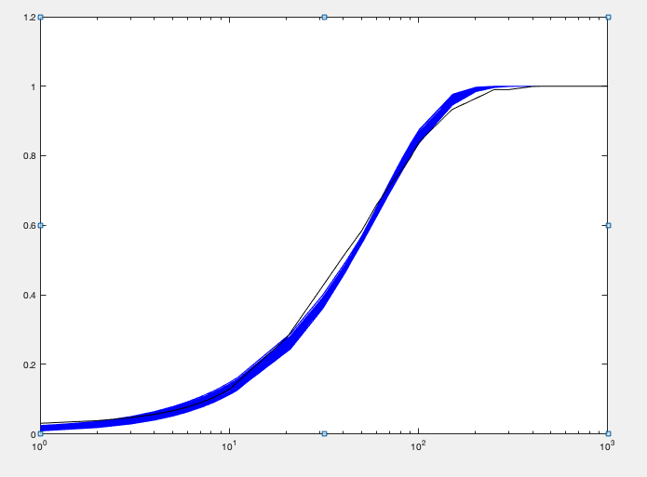
kon | koff | kt | kd | Objective function | kt/koff | 2konkoff/(kon+koff) | mean | var | burst size (moment) | frequency (moment)
0.016325904816 | 0.17060752423 | 8.0805341172 | 0.026003663888 | 0.0071073226021 | 47.363292759 | 1.1459981592 | 53.67358202 | 1927.5238102 | 35.911965209 | 1.5373979006
0.018735304524 | 0.18484289836 | 9.6582816528 | 0.031710128897 | 0.0072326716587 | 52.251299555 | 1.0729123349 | 55.819620484 | 2138.9747233 | 38.319406417 | 1.4957263752
0.012754951542 | 0.1983432472 | 8.2166532655 | 0.01749022697 | 0.0072493464018 | 41.426433123 | 1.3703965443 | 54.088310153 | 1958.9561361 | 36.217735969 | 1.5358258748
0.013307674182 | 0.1902337951 | 9.4710957206 | 0.022089569047 | 0.0073362788667 | 49.786609765 | 1.1261070533 | 54.856436225 | 2243.8796832 | 40.90458363 | 1.3746901041
0.017467743703 | 0.17956544833 | 9.9192266749 | 0.031717445093 | 0.0073941452641 | 55.240174361 | 1.0038110937 | 55.208588807 | 2239.4059493 | 40.56263704 | 1.3954729244
0.024054495337 | 0.19377346081 | 10.27756322 | 0.042412944411 | 0.007473762287 | 53.039065192 | 1.009040276 | 53.470742417 | 1929.3858829 | 36.083020278 | 1.5241202722
0.021360898367 | 0.1919458756 | 10.68210157 | 0.039320174252 | 0.0075502799765 | 55.651633757 | 0.97770584779 | 54.33527091 | 2119.0086824 | 38.998769068 | 1.4299218696
0.016013437127 | 0.16833858047 | 9.3738950166 | 0.029404303333 | 0.0076169107265 | 55.684769295 | 0.9945793227 | 55.028008717 | 2265.322072 | 41.166709914 | 1.3699904432
0.018177457242 | 0.16039668219 | 8.9089650674 | 0.033063695867 | 0.0076206984157 | 55.543325123 | 0.9876169722 | 54.661440058 | 2123.2375501 | 38.843425052 | 1.4444104883
0.017560030142 | 0.14047457144 | 7.5639961839 | 0.030450683471 | 0.0076595093638 | 53.846017156 | 1.025188528 | 54.901260693 | 2019.4456383 | 36.783228888 | 1.5342735242
0.021147335401 | 0.19125867549 | 10.779814364 | 0.039437088126 | 0.0076702660138 | 56.362485709 | 0.96568425216 | 54.353326704 | 2146.3039602 | 39.487996235 | 1.4122150286
0.025050447861 | 0.19095447699 | 10.396494487 | 0.045220249443 | 0.0077269155503 | 54.444884721 | 0.97944201216 | 53.291231809 | 1925.5250671 | 36.132117831 | 1.5168807091
0.014610654433 | 0.14841596753 | 8.0065254845 | 0.026145479812 | 0.007750508573 | 53.946523529 | 1.0174782781 | 54.276776396 | 2162.3041801 | 39.838478327 | 1.3975000756
0.016403026814 | 0.12198104358 | 6.1917873419 | 0.027015772004 | 0.0077856832727 | 50.760242411 | 1.0703919934 | 53.797372382 | 1842.7485928 | 34.253505538 | 1.6177955229
0.025620583794 | 0.19202769268 | 10.650937554 | 0.046393873738 | 0.0077960180977 | 55.465633134 | 0.974466721 | 54.018436604 | 1973.6316788 | 36.536260634 | 1.5200934381
0.024313112449 | 0.17836663568 | 9.0640526737 | 0.04094440081 | 0.0078492270236 | 50.816973922 | 1.0451516231 | 53.056232513 | 1788.6377061 | 33.712113005 | 1.6219139529
0.021658065316 | 0.18173046884 | 10.419987931 | 0.041027243646 | 0.0079595043215 | 57.337594506 | 0.94336247071 | 54.030331762 | 2109.3654367 | 39.04039394 | 1.4203410156
0.018892345977 | 0.13188608013 | 7.0594771833 | 0.032451108784 | 0.0079631563019 | 53.527083194 | 1.0184649804 | 54.300241345 | 1888.0032271 | 34.769702312 | 1.607957359
0.025588502272 | 0.18095531658 | 9.2546972625 | 0.043551888332 | 0.0079746682035 | 51.143549897 | 1.0295015798 | 52.613420681 | 1756.4371018 | 33.38382259 | 1.624682217
0.01167950149 | 0.19642810504 | 7.9751038731 | 0.015151724481 | 0.0079900710774 | 40.600625208 | 1.4551504909 | 54.886215 | 2027.2566918 | 36.935625673 | 1.5273482504
0.025357512426 | 0.19657707888 | 9.6043138633 | 0.041784284537 | 0.0080109340879 | 48.857750445 | 1.0750571497 | 52.476108759 | 1743.2806241 | 33.220462898 | 1.6286578168
0.01885531695 | 0.14529423435 | 8.2683932657 | 0.034978510809 | 0.0080234497421 | 56.907924135 | 0.95426983968 | 54.162667092 | 2045.7311277 | 37.770132779 | 1.473007112
0.025199223713 | 0.1690391908 | 9.408402447 | 0.045678082477 | 0.0080588448238 | 55.65811338 | 0.96019971791 | 53.41186035 | 1874.1751474 | 35.089119441 | 1.5668301565
0.02358929786 | 0.15557412463 | 8.5664949445 | 0.042455788291 | 0.0080591232166 | 55.063751537 | 0.96493068417 | 53.087409375 | 1833.4959224 | 34.537302611 | 1.5829361708
0.027319673667 | 0.17604534262 | 9.50208759 | 0.048191083608 | 0.008089022913 | 53.975228476 | 0.98149277155 | 52.95341147 | 1782.5044912 | 33.661749862 | 1.6212668242
0.012504920502 | 0.16581782802 | 8.6224785353 | 0.021394549086 | 0.0081155151056 | 51.999707378 | 1.0870068125 | 55.130203327 | 2313.4214586 | 41.962868245 | 1.3458579853
0.011602305817 | 0.18909256081 | 7.5352341857 | 0.014714494724 | 0.0081424358977 | 39.849448088 | 1.4858231812 | 54.663092171 | 1985.2801609 | 36.318475264 | 1.54771948
0.02155346702 | 0.18271635715 | 10.807119027 | 0.041675160194 | 0.0081945433479 | 59.146970723 | 0.92521586267 | 54.667021697 | 2200.081085 | 40.24512433 | 1.3929633968
0.021479866001 | 0.19998593049 | 11.748208398 | 0.041703745092 | 0.0082526807092 | 58.74517457 | 0.93020632123 | 54.586989985 | 2250.9963789 | 41.236865771 | 1.356641203
0.028532158677 | 0.16838378577 | 9.1805796138 | 0.050118460911 | 0.0083345084433 | 54.521755596 | 0.9736128278 | 53.064855681 | 1737.6822637 | 32.746386313 | 1.671524285
0.029692304312 | 0.19437070766 | 11.423345668 | 0.056140818395 | 0.0084368814508 | 58.770921843 | 0.91760507202 | 53.913402983 | 1957.9946692 | 36.317400885 | 1.5265393724
0.020033917271 | 0.12968607378 | 7.5312432941 | 0.037548875009 | 0.0084713700466 | 58.072876098 | 0.92429901822 | 53.58147457 | 1920.3270628 | 35.83938438 | 1.5379569853
0.022935724498 | 0.15790343904 | 9.3347936734 | 0.043961921643 | 0.0084885065226 | 59.117101755 | 0.91109757412 | 53.822214628 | 2003.2452527 | 37.219673448 | 1.4859939227
0.02672870433 | 0.17240601105 | 8.5988041068 | 0.044704532428 | 0.0085304219568 | 49.875314987 | 1.0352894103 | 51.603484875 | 1625.5818471 | 31.50139668 | 1.6918400628
0.022918739495 | 0.17452093855 | 10.323334386 | 0.044564378891 | 0.0085456277138 | 59.152411581 | 0.90917183139 | 53.741372097 | 2077.2410842 | 38.652550226 | 1.4272970031
0.02948852576 | 0.16823914039 | 9.4000431115 | 0.052175281805 | 0.0085668556154 | 55.873104734 | 0.96178467721 | 53.722221513 | 1771.3490066 | 32.972370776 | 1.6802701898
0.023146060528 | 0.19651683728 | 9.1762255196 | 0.036953077959 | 0.008569278255 | 46.694347652 | 1.1207261859 | 52.23531246 | 1722.4534116 | 32.974884814 | 1.6336356726
0.031860587796 | 0.1996423911 | 11.698583294 | 0.060504250664 | 0.0085833537224 | 58.597691748 | 0.90822629585 | 53.207373588 | 1889.0995695 | 35.504469439 | 1.5420429426
0.021179080851 | 0.16722615633 | 10.127704429 | 0.041732596898 | 0.008637933854 | 60.562920605 | 0.90089241474 | 54.505589799 | 2180.8368923 | 40.011252064 | 1.3971761201
0.020282450471 | 0.12485348198 | 6.260148901 | 0.034057900165 | 0.0086842583482 | 50.139962471 | 1.0246092279 | 51.218162499 | 1592.9178458 | 31.100644148 | 1.7015636691
0.029484880543 | 0.19260018067 | 11.659975607 | 0.057235874189 | 0.008722828498 | 60.539795789 | 0.89350788993 | 54.077767909 | 2009.0672549 | 37.151445641 | 1.4958673699
0.03123451803 | 0.19339671487 | 11.474286328 | 0.059901817597 | 0.0087236712376 | 59.330306286 | 0.89784993611 | 53.257226233 | 1900.0101228 | 35.676099886 | 1.5358482184
0.019123278103 | 0.16989574635 | 10.307853408 | 0.037927141473 | 0.0087327162952 | 60.671639104 | 0.90639857305 | 54.897686116 | 2293.7762022 | 41.782748317 | 1.3461007014
0.02918041105 | 0.17204972412 | 8.7489161667 | 0.049283461849 | 0.0088007858254 | 50.851090936 | 1.0124676506 | 51.466485055 | 1586.7513236 | 30.830769225 | 1.7252818614
0.014053823892 | 0.10293052296 | 5.9972506152 | 0.026047419765 | 0.0088625627913 | 58.265035898 | 0.94945900642 | 54.650412524 | 2090.9166095 | 38.259850438 | 1.4667373025
0.018799761149 | 0.19850616586 | 11.821960204 | 0.037398176987 | 0.0088633830519 | 59.554624675 | 0.91840517855 | 54.591763125 | 2365.7228326 | 43.33479443 | 1.2895247009
0.014281421637 | 0.17134968753 | 9.8766569662 | 0.02748957968 | 0.0089056260256 | 57.640355862 | 0.95910442476 | 54.794556577 | 2410.2395478 | 43.986842824 | 1.2746820417
0.032080375631 | 0.1640906292 | 9.5626306035 | 0.059470325919 | 0.0089918265642 | 58.276518594 | 0.9024394778 | 52.581456031 | 1696.3812844 | 32.261968618 | 1.6819624085
0.025508760621 | 0.1393543728 | 8.4308736082 | 0.048499062187 | 0.0090122629807 | 60.499526772 | 0.88916644322 | 53.772863808 | 1848.4185614 | 34.374560523 | 1.6111931653
0.017966292766 | 0.12613002949 | 7.8590034193 | 0.035587869637 | 0.0090217677364 | 62.308741628 | 0.88379609382 | 54.932929301 | 2159.1891707 | 39.3059172 | 1.434058582
0.021533896683 | 0.17113443862 | 9.2961627165 | 0.038697603745 | 0.0081627984155 | 54.475166593 | 1.0075312417 | 53.868884426 | 1989.0704396 | 36.874580181 | 1.5116306814
0.005615613009 | 0.024076770232 | 1.4602046005 | 0.011278410928 | 0.00052717146501 | 5.1598472307 | 0.12831376224 | 1.0087078522 | 206.60403659 | 3.2600998976 | 0.1135194588

lipid A 100ng 4var
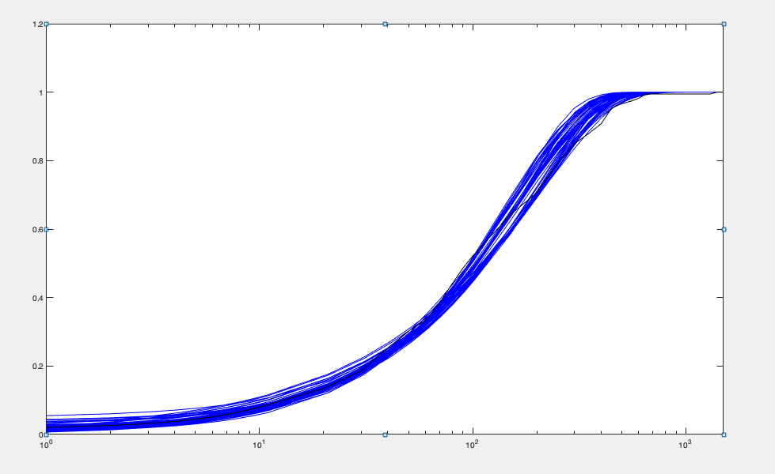
kon | koff | kt | kd | Objective function | kt/koff | 2konkoff/(kon+koff) | mean | var | burst size (moment) | frequency (moment)
0.011754911675 | 0.10203901756 | 19.829449689 | 0.026246904724 | 0.011809513754 | 194.33203263 | 0.80319028358 | 154.1151209 | 19829.603974 | 128.6674783 | 1.2071603744
0.014645446313 | 0.12258927257 | 19.935711653 | 0.031127008053 | 0.011984706031 | 162.6219916 | 0.84058899464 | 135.9264299 | 14510.660828 | 106.75378466 | 1.2853103114
0.011752956106 | 0.085270504258 | 18.183464645 | 0.029110791695 | 0.012482866835 | 213.24448358 | 0.70965156472 | 150.054319 | 19222.070143 | 128.10074559 | 1.1805935386
0.011317419034 | 0.12785106786 | 19.999719399 | 0.023087666918 | 0.012597106224 | 156.42981896 | 0.90065983945 | 138.06827533 | 15949.328323 | 115.51769069 | 1.2056501882
0.014681925182 | 0.085935617265 | 19.164449048 | 0.037347708986 | 0.012967534466 | 223.00938375 | 0.67150388763 | 149.38242253 | 17859.220979 | 119.55369766 | 1.2600401799
0.017245158314 | 0.11697195922 | 19.525564401 | 0.037271610978 | 0.013339247612 | 166.9251719 | 0.80647864741 | 134.30923289 | 13438.740473 | 100.05820288 | 1.3558617962
0.015683157242 | 0.086788312612 | 19.057101985 | 0.039172819471 | 0.013456580956 | 219.58143224 | 0.6781674486 | 148.63140376 | 17069.868041 | 114.84698125 | 1.3055366258
0.016325247159 | 0.09867523266 | 17.483643097 | 0.036742161048 | 0.013578128537 | 177.18370279 | 0.76248897938 | 134.76361774 | 13448.120594 | 99.790439141 | 1.3641362353
0.01430354213 | 0.10050255292 | 15.889134698 | 0.029626789484 | 0.014005032858 | 158.09682677 | 0.84528108709 | 132.67942592 | 12946.587794 | 97.577960595 | 1.3738064575
0.010795066352 | 0.14488113419 | 19.835742693 | 0.019303959387 | 0.014157190375 | 136.91045976 | 1.040874886 | 137.28694128 | 15009.786022 | 109.33149127 | 1.2672856219
0.012299489574 | 0.070121626961 | 15.112781037 | 0.029997687454 | 0.014243404054 | 215.52239575 | 0.697658354 | 149.21384489 | 17291.245998 | 115.88231649 | 1.2988408439
0.013061057405 | 0.070459621886 | 14.951695165 | 0.031168178865 | 0.014418237893 | 212.20231907 | 0.70703871805 | 149.08996023 | 16604.111538 | 111.3697496 | 1.3508226735
0.015648174552 | 0.10652236755 | 16.634893522 | 0.032646053709 | 0.014538746296 | 156.16338526 | 0.83586722452 | 129.9529454 | 12310.292256 | 94.728843724 | 1.3864776331
0.015159595766 | 0.078244026433 | 19.567706984 | 0.042053448666 | 0.014966224058 | 250.08563434 | 0.60395345838 | 150.83468752 | 18387.267811 | 121.90344352 | 1.2475632052
0.017870378934 | 0.13408409658 | 19.998673867 | 0.037020741862 | 0.01497824276 | 149.15023017 | 0.85188783048 | 126.75806996 | 11937.826545 | 94.178039694 | 1.3603856701
0.017101398469 | 0.080884149529 | 17.621487218 | 0.041895027696 | 0.015129872364 | 217.86082095 | 0.67390788481 | 146.63250276 | 15385.406235 | 104.92493782 | 1.4109462641
0.018506640362 | 0.091719464641 | 16.784031324 | 0.042865200645 | 0.015204160012 | 182.99312354 | 0.7185049592 | 131.34140483 | 12102.490741 | 92.145281655 | 1.4410115636
0.018602597806 | 0.13026768193 | 19.788278872 | 0.039771817224 | 0.015547726081 | 151.90474397 | 0.8185719112 | 124.13734198 | 11492.658223 | 92.580186105 | 1.3555043647
0.015609377819 | 0.075963213818 | 19.088852939 | 0.04378159858 | 0.015556616994 | 251.29074956 | 0.59150960134 | 148.47952827 | 17504.981215 | 117.89491399 | 1.270196651
0.014410271995 | 0.066637676666 | 13.589815046 | 0.034131999032 | 0.016094426073 | 203.93590722 | 0.6942538054 | 141.01456407 | 13851.352261 | 98.226394926 | 1.4503732673
0.0098400158457 | 0.081731446515 | 14.423429717 | 0.019681633412 | 0.016095775518 | 176.47344238 | 0.89247013188 | 151.54148842 | 18219.489193 | 120.22773026 | 1.2710255247
0.022444150421 | 0.12476787854 | 19.808432317 | 0.048905174433 | 0.01613867504 | 158.76227558 | 0.77792521106 | 123.42825898 | 10669.916801 | 86.446304024 | 1.4445125555
0.017337745984 | 0.073776441437 | 17.658478157 | 0.046082666246 | 0.016439869709 | 239.35117788 | 0.60927973017 | 145.72009827 | 15323.375203 | 105.15622337 | 1.3990532064
0.020593599696 | 0.088639041799 | 19.878308068 | 0.053145229267 | 0.016512679996 | 224.26131493 | 0.62888406996 | 140.97836863 | 14132.07119 | 100.2428339 | 1.4205395301
0.0096187447354 | 0.13873420849 | 17.826184818 | 0.01585024548 | 0.016659682931 | 128.49163167 | 1.1350102069 | 136.24052254 | 14728.478315 | 108.10644322 | 1.2720105201
0.017663591356 | 0.11092502772 | 16.364934542 | 0.035912450684 | 0.016913345326 | 147.53148931 | 0.84857645098 | 124.85827885 | 10833.07147 | 86.762940913 | 1.4558535134
0.0094245085456 | 0.11866586609 | 16.259823891 | 0.016166685634 | 0.016967723947 | 137.02191226 | 1.0801324964 | 138.59725134 | 15380.235167 | 110.97070843 | 1.2603106166
0.023906838426 | 0.10502689623 | 18.338828529 | 0.053732079883 | 0.016983039111 | 174.61078244 | 0.72485720342 | 126.52298445 | 10462.58236 | 82.693136 | 1.5487590592
0.011696248074 | 0.10528183589 | 12.956182936 | 0.020025072412 | 0.017002763694 | 123.06190167 | 1.0513599213 | 125.03653869 | 11058.148137 | 88.439333437 | 1.429980465
0.021465949946 | 0.086201698736 | 19.490852102 | 0.0540077136 | 0.017096557997 | 226.10751746 | 0.63643625519 | 143.85330415 | 14016.9292 | 97.439049335 | 1.4916499606
0.019789218489 | 0.082468248697 | 14.882762033 | 0.045103554253 | 0.017234110848 | 180.46657069 | 0.70768438508 | 127.61677584 | 10516.786165 | 82.409119773 | 1.5675980308
0.012805584614 | 0.059063236046 | 15.652106861 | 0.036994547414 | 0.017366612487 | 265.00591414 | 0.56894253954 | 150.32664043 | 17935.602422 | 119.31087112 | 1.270607164
0.010321033981 | 0.15832259143 | 16.857811856 | 0.015427981175 | 0.017492599935 | 106.4776145 | 1.2560793135 | 124.44027593 | 11462.445079 | 92.112019145 | 1.3657942947
0.011302536664 | 0.068425678584 | 18.039119972 | 0.033180535495 | 0.0177009167 | 263.63085241 | 0.58469529637 | 153.37501871 | 21216.721427 | 138.33231516 | 1.1168166686
0.010483655758 | 0.071574714666 | 10.355237074 | 0.019120144134 | 0.017803556239 | 144.6773085 | 0.95650737523 | 132.52535808 | 12398.476616 | 93.555503609 | 1.4318474095
0.0083472716745 | 0.094690633162 | 16.829961757 | 0.016895092193 | 0.017866328764 | 177.73628917 | 0.90807972578 | 151.9467657 | 20671.56042 | 136.04475439 | 1.125158592
0.0089994666409 | 0.12362770432 | 17.110594522 | 0.015068636775 | 0.017941953264 | 138.40420815 | 1.1134125227 | 142.36067563 | 16507.972768 | 115.95879758 | 1.2383626014
0.011173164348 | 0.051579456339 | 10.60750366 | 0.025489064452 | 0.018152320466 | 205.65365386 | 0.72060484828 | 145.60950605 | 14746.928121 | 101.27723471 | 1.45206942
0.026806994574 | 0.098659838487 | 19.435114288 | 0.065050211336 | 0.018407448837 | 196.99114236 | 0.64809828827 | 127.64576034 | 10359.713352 | 81.159870288 | 1.5923898065
0.015786778946 | 0.058877962112 | 14.668014753 | 0.042733605643 | 0.018418748036 | 249.12572084 | 0.58262778519 | 144.96568458 | 14432.04189 | 99.554883852 | 1.4709132507
0.014890030679 | 0.069156059452 | 19.215091706 | 0.045314846945 | 0.018481409494 | 277.8511653 | 0.54075157756 | 150.10608957 | 18484.27406 | 123.14140028 | 1.2289534034
0.015033982361 | 0.16265605795 | 19.460795555 | 0.026384269788 | 0.018583271445 | 119.64384112 | 1.0431964723 | 123.42803121 | 10943.77454 | 88.665228089 | 1.4079474143
0.0090908381732 | 0.11854654325 | 14.773115481 | 0.014198832914 | 0.018742725707 | 124.61869471 | 1.1893023662 | 135.09717209 | 14213.729177 | 105.21115251 | 1.2963792151
0.029834610543 | 0.1235030132 | 19.983760061 | 0.066251948889 | 0.018789705417 | 161.80787451 | 0.72540498426 | 117.35121309 | 8710.8883118 | 74.229214021 | 1.6025190855
0.011052725091 | 0.19149116212 | 18.089677003 | 0.015261943506 | 0.018838350438 | 94.467425036 | 1.3693646623 | 120.25919289 | 10138.116045 | 84.302212591 | 1.443649444
0.018725051015 | 0.066611211435 | 13.193126094 | 0.045871022512 | 0.018856205639 | 198.06164472 | 0.63727707903 | 126.12983235 | 10024.878196 | 79.480627294 | 1.6071460779
0.013163598261 | 0.052418470013 | 14.072020328 | 0.038736562849 | 0.018859012001 | 268.4553808 | 0.54322877227 | 145.46832256 | 15850.902305 | 108.96463248 | 1.3473701453
0.023264238726 | 0.1272332229 | 18.422776128 | 0.047092538814 | 0.018886830486 | 144.7953271 | 0.83529155444 | 120.8645471 | 9631.6685725 | 79.689775068 | 1.535962544
0.026033108684 | 0.091570596371 | 17.9378255 | 0.062975627406 | 0.018898217056 | 195.89067027 | 0.64375195747 | 126.08249097 | 9871.9860104 | 78.297834495 | 1.6311257849
0.010499891986 | 0.11568383471 | 11.872197465 | 0.01514006266 | 0.019063435749 | 102.62624416 | 1.2716174563 | 120.67837704 | 10036.492577 | 83.167281685 | 1.4686913644
0.015363379729 | 0.099926383475 | 17.130125289 | 0.034803383094 | 0.01628498873 | 183.03011203 | 0.8096578001 | 137.11453727 | 14182.617502 | 102.30764021 | 1.3714500027
0.0050276324706 | 0.03031740054 | 2.5950664522 | 0.013834629112 | 0.0021237136256 | 47.175296966 | 0.20632931909 | 10.928773806 | 3257.7661698 | 16.01745075 | 0.12574171165

ifng la 4var
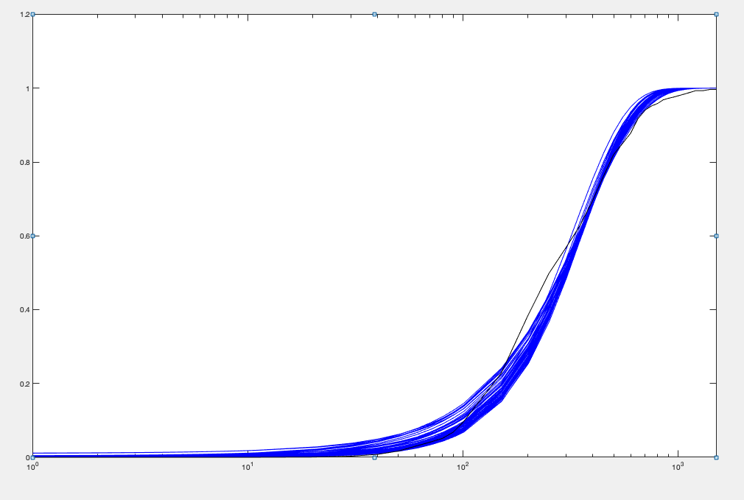
kon | koff | kt | kd | Objective function | kt/koff | 2konkoff/(kon+koff) | mean | var | burst size (moment) | frequency (moment)
0.022638756094 | 0.111544638 | 19.616284532 | 0.019733912423 | 0.015471822375 | 175.86039888 | 1.9073012136 | 323.95399498 | 35628.410561 | 109.97984625 | 2.9726046247
0.020629257023 | 0.11950435309 | 19.052952179 | 0.016082208226 | 0.015601534087 | 159.43312262 | 2.1878085563 | 326.78778645 | 36212.642649 | 110.8139415 | 2.9758315018
0.020767892561 | 0.097787946406 | 19.350132018 | 0.020276439894 | 0.015657639033 | 197.87849862 | 1.6896357778 | 323.66106202 | 38521.846019 | 119.01909293 | 2.7424466159
0.021638951278 | 0.10756116684 | 18.457820674 | 0.018202581682 | 0.01578815599 | 171.60301637 | 1.9793646523 | 324.54127617 | 35464.984482 | 109.27726944 | 2.9973167761
0.019625876266 | 0.1051856481 | 17.877122985 | 0.016102617782 | 0.015833476917 | 169.95781562 | 2.0543023712 | 326.83543747 | 37254.680736 | 113.98605067 | 2.8927060954
0.018308940814 | 0.11490225552 | 17.872485531 | 0.013536605875 | 0.015989476933 | 155.54512355 | 2.3333036337 | 327.35062176 | 37766.701317 | 115.37079452 | 2.8621871794
0.020671061388 | 0.088689409086 | 18.958068507 | 0.021876610525 | 0.016064046729 | 213.75797519 | 1.5325834408 | 319.44724944 | 38505.437379 | 120.53770207 | 2.672355616
0.01544547239 | 0.12712969457 | 18.127536904 | 0.0099013516709 | 0.017014314463 | 142.5908948 | 2.7818891462 | 324.63261119 | 40475.557726 | 124.68112053 | 2.6247547709
0.020452459089 | 0.090817816757 | 15.499169251 | 0.016363742859 | 0.017050619408 | 170.66220929 | 2.0402565209 | 326.56077093 | 34511.686541 | 105.68227911 | 3.1195420438
0.022728603551 | 0.091026634767 | 16.656114451 | 0.019621092368 | 0.01709364374 | 182.98066817 | 1.8538587856 | 327.08149442 | 34038.701846 | 104.06795379 | 3.1734548169
0.02361625104 | 0.082166077931 | 18.407738765 | 0.025078601863 | 0.017137569408 | 224.03088025 | 1.462908166 | 322.91134791 | 36019.283599 | 111.54542518 | 2.9210738244
0.024711880941 | 0.11736426098 | 18.633438421 | 0.019083537086 | 0.017290318511 | 158.76586506 | 2.1393982611 | 326.8482376 | 32559.156762 | 99.615518815 | 3.3143691939
0.02103328322 | 0.15530113522 | 19.439631976 | 0.012501236719 | 0.017520373877 | 125.17379186 | 2.9636139274 | 328.65509078 | 33244.60573 | 101.15347872 | 3.2815144816
0.022385710295 | 0.10932588382 | 16.634244199 | 0.016253628324 | 0.017569123778 | 152.15284448 | 2.2863859422 | 326.42023025 | 32478.401083 | 99.498738354 | 3.3139534141
0.027849158732 | 0.091303490696 | 19.055641824 | 0.027226029957 | 0.017615974397 | 208.70660781 | 1.5676223124 | 323.91336611 | 32872.939784 | 101.48682711 | 3.2234410762
0.017927751402 | 0.13879211202 | 16.288465046 | 0.0090043936799 | 0.017686734858 | 117.35872312 | 3.5264853383 | 326.78693878 | 34344.556946 | 105.09770395 | 3.1392329165
0.015346719014 | 0.092097574478 | 19.311527773 | 0.016118351165 | 0.017718903194 | 209.68551976 | 1.6322615936 | 319.84095816 | 45595.72626 | 142.55749646 | 2.2594420371
0.019338945327 | 0.1179793077 | 15.370198832 | 0.011361027216 | 0.017862749467 | 130.27876779 | 2.9249790162 | 327.09896837 | 33187.951309 | 101.46149795 | 3.2559634788
0.02818850349 | 0.11485845476 | 19.465239424 | 0.023196436558 | 0.017868430306 | 169.47154186 | 1.9514844002 | 324.51524415 | 31286.895597 | 96.411173778 | 3.4012289263
0.016054128563 | 0.13620599367 | 15.328159609 | 0.0067743977639 | 0.018031874205 | 112.53660133 | 4.2399045915 | 329.34979869 | 36915.140455 | 112.08490366 | 2.9648474982
0.020579532132 | 0.11200926082 | 15.875869044 | 0.013350517638 | 0.018041396052 | 141.7371111 | 2.6044408713 | 331.82193327 | 33656.746681 | 101.43014462 | 3.3040073228
0.015201022607 | 0.10585806676 | 14.414608848 | 0.0085563238302 | 0.01806313393 | 136.16920551 | 3.1070063677 | 325.21914608 | 38686.729322 | 118.95587879 | 2.7571253711
0.019670628656 | 0.06533667479 | 15.044167367 | 0.021192734931 | 0.018254145094 | 230.25609147 | 1.4267964407 | 318.76975164 | 35945.394995 | 112.7628792 | 2.8521970258
0.023901488442 | 0.1484802883 | 19.831658082 | 0.01676450381 | 0.018338907958 | 133.56424822 | 2.4560753608 | 310.07414087 | 29660.564606 | 95.656363097 | 3.275787604
0.029238395212 | 0.12612579124 | 19.95818029 | 0.023578417545 | 0.01842590178 | 158.24027817 | 2.0133619746 | 313.06806581 | 29035.83595 | 92.746080232 | 3.412331786
0.01544129948 | 0.086344410371 | 12.569758339 | 0.0093424842196 | 0.01845689378 | 145.57697811 | 2.8041348002 | 324.353146 | 37311.562177 | 115.03376069 | 2.8443606878
0.015972447367 | 0.069506429972 | 12.491372645 | 0.012889816034 | 0.018551961926 | 179.71535368 | 2.0152128107 | 320.0804048 | 36880.626278 | 115.22300561 | 2.8022411343
0.017790159046 | 0.062680355535 | 14.923377532 | 0.01987215989 | 0.018563698546 | 238.0869956 | 1.394631359 | 319.58777063 | 38585.820708 | 120.73622414 | 2.669098453
0.018285052146 | 0.067696502273 | 17.676340869 | 0.023240904931 | 0.01899633622 | 261.11158296 | 1.2388938661 | 316.59101014 | 41378.742881 | 130.70094082 | 2.4409307144
0.022475681559 | 0.15598887003 | 19.025064611 | 0.013190802151 | 0.019050897548 | 121.96424404 | 2.9786076908 | 326.5563347 | 31285.163419 | 95.803266066 | 3.444568402
0.017230212533 | 0.16001794452 | 14.102888128 | 0.0046592571418 | 0.019242130639 | 88.133166374 | 6.6771465731 | 326.97853336 | 32760.84947 | 100.19266138 | 3.2963984313
0.018487471115 | 0.14829249746 | 14.626634476 | 0.0069398667308 | 0.019397587171 | 98.633678216 | 4.7373084754 | 327.23326226 | 31714.835138 | 96.918127816 | 3.4115893389
0.017059981883 | 0.17380022038 | 14.374870004 | 0.003997933567 | 0.019453525314 | 82.709158664 | 7.7715551115 | 322.85246169 | 32170.11642 | 99.643398263 | 3.2729251767
0.019756577015 | 0.19900897299 | 19.206581982 | 0.0080491360916 | 0.01945425426 | 96.511135621 | 4.4656651264 | 325.6672041 | 31191.567273 | 95.777428247 | 3.4361261972
0.026128915063 | 0.072277802873 | 15.230960525 | 0.024770282526 | 0.019640794679 | 210.72805093 | 1.549532207 | 321.40347468 | 29911.136916 | 93.064136738 | 3.4910822615
0.033499823684 | 0.10937354779 | 19.943533003 | 0.028967697004 | 0.019675062191 | 182.34329419 | 1.7705963079 | 320.55751378 | 28929.88184 | 90.2486468 | 3.5917352842
0.022140278136 | 0.14069372837 | 17.166333751 | 0.012596358772 | 0.019822469747 | 122.01207509 | 3.0373698385 | 328.78492164 | 31023.053582 | 94.356679823 | 3.521814639
0.032149313342 | 0.090951782563 | 18.5545224 | 0.029656633663 | 0.019840132586 | 204.00394447 | 1.6018769073 | 324.64379158 | 29593.245412 | 91.15604912 | 3.6009096976
0.023829257946 | 0.067105762703 | 19.676960816 | 0.032300133661 | 0.019914594313 | 293.22311562 | 1.0888419424 | 317.7201523 | 37877.996734 | 119.2181121 | 2.6875759277
0.031831676637 | 0.11804912343 | 19.73579338 | 0.025512239925 | 0.020071322287 | 167.182888 | 1.9654304645 | 324.45657932 | 29345.417122 | 90.44482064 | 3.6274496052
0.030379661686 | 0.088976813054 | 17.320310394 | 0.02691067669 | 0.02016983317 | 194.66094367 | 1.6831358615 | 324.22658018 | 29181.539455 | 90.003538387 | 3.6428504535
0.017791151238 | 0.12309101693 | 11.61419592 | 0.005503677227 | 0.020210081455 | 94.354537075 | 5.6487379005 | 326.81545851 | 31150.259482 | 95.31452283 | 3.4651657953
0.012700312258 | 0.10880953797 | 16.278476688 | 0.0079406160554 | 0.020435458115 | 149.60523675 | 2.8644792308 | 318.38271696 | 44586.129097 | 140.03941396 | 2.2898738415
0.029446475593 | 0.12848024456 | 19.930729476 | 0.024731838847 | 0.020436082827 | 155.12680213 | 1.9372588273 | 296.23837962 | 26864.799822 | 90.686425765 | 3.3030458856
0.032994969334 | 0.11970599588 | 19.772196207 | 0.02653599871 | 0.020465745225 | 165.1729812 | 1.9494693395 | 318.60671644 | 28075.470833 | 88.119519721 | 3.6571220487
0.017902321376 | 0.13756755134 | 11.991486014 | 0.0045847234441 | 0.020594237003 | 87.167983272 | 6.9102850943 | 330.21301635 | 31466.447474 | 95.291360171 | 3.5020495595
0.016403541764 | 0.058255320504 | 15.734017651 | 0.021204982522 | 0.020616191805 | 270.08722146 | 1.2072130849 | 315.90654039 | 41883.720531 | 132.58263181 | 2.4008224797
0.03119239881 | 0.093166759082 | 17.482711251 | 0.02685423034 | 0.020634087079 | 187.64966629 | 1.7404008094 | 323.18795756 | 28544.96827 | 88.323118491 | 3.7010583582
0.016293380553 | 0.051256827451 | 13.676067528 | 0.020145033918 | 0.020691810793 | 266.81455346 | 1.227434215 | 314.97450449 | 38878.525686 | 123.43388157 | 2.5726089906
0.012576705599 | 0.16786585667 | 17.471302699 | 0.0033376745862 | 0.020714553035 | 104.07895355 | 7.0109405477 | 321.62924455 | 43585.798721 | 135.51565804 | 2.3910171442
0.021554194694 | 0.11132635622 | 17.102058856 | 0.016909449201 | 0.018481800164 | 166.30104683 | 2.6787837411 | 322.87586399 | 34560.965062 | 107.07414979 | 3.0954827301
0.0055145851391 | 0.032293858159 | 2.3719102348 | 0.0077625454352 | 0.0015776892137 | 50.615829845 | 1.6184841425 | 5.9553066632 | 4525.1651149 | 14.269894072 | 0.39685398227

dmog 4var
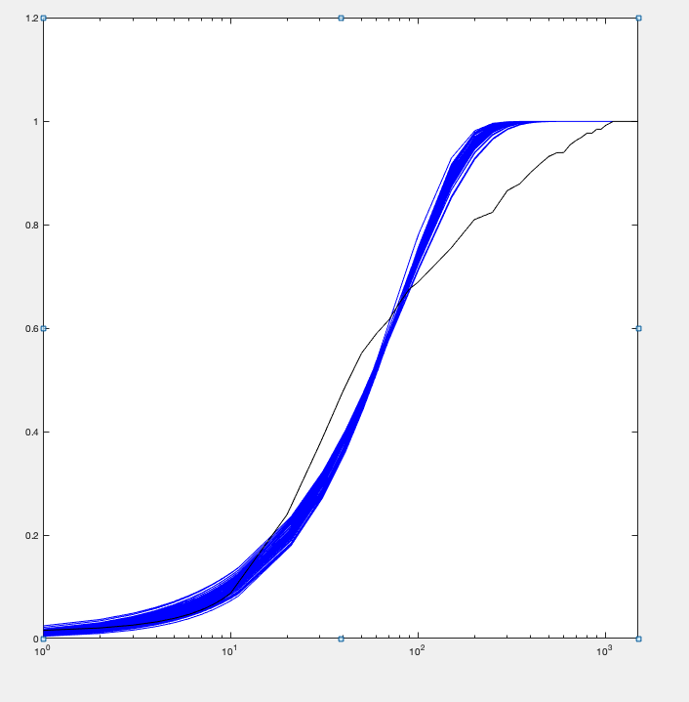
kon | koff | kt | kd | Objective function | kt/koff | 2konkoff/(kon+koff)
0.016808208696 | 0.19748908594 | 13.233296849 | 0.028725210615 | 0.043408845568 | 67.007737594 | 1.0784862615
0.021586556167 | 0.1984391312 | 13.184336166 | 0.036437285895 | 0.04357831127 | 66.440203031 | 1.0686150055
0.020156685656 | 0.19539646659 | 13.643349801 | 0.035054706734 | 0.043646006435 | 69.823933046 | 1.0424737022
0.016476242896 | 0.19800270786 | 12.541522746 | 0.027349306824 | 0.043665298831 | 63.340157725 | 1.112316325
0.020820025398 | 0.1882506109 | 13.183737853 | 0.036896887566 | 0.043710351718 | 70.032908734 | 1.0161664944
0.018140411182 | 0.19979329363 | 15.347064093 | 0.035128159467 | 0.043725114238 | 76.814710915 | 0.94684356394
0.016232384268 | 0.1709440336 | 11.79216718 | 0.028301634357 | 0.043757407793 | 68.982619233 | 1.0476195897
0.014905564051 | 0.18950402077 | 12.224700057 | 0.024222239349 | 0.043821748812 | 64.508921801 | 1.1409885661
0.014637247631 | 0.19548722262 | 12.397720874 | 0.023822721985 | 0.043847757904 | 63.419596982 | 1.143246231
0.020382052122 | 0.19460685699 | 14.892408989 | 0.038999210968 | 0.043897840079 | 76.525612815 | 0.94615908896
0.015795794968 | 0.18761256198 | 14.298223224 | 0.030558889971 | 0.043943280285 | 76.211438469 | 0.95351390589
0.020726967253 | 0.16234435065 | 10.875959235 | 0.03477607642 | 0.044020328372 | 66.993148771 | 1.0570658628
0.016678740379 | 0.18569908021 | 14.670019989 | 0.033106737432 | 0.044041769461 | 78.998883426 | 0.9245357256
0.013883491686 | 0.19650005791 | 13.681512862 | 0.024691803997 | 0.044086479571 | 69.625999137 | 1.0503324513
0.014987163874 | 0.19066107183 | 15.201107761 | 0.029490294348 | 0.044129875666 | 79.72842917 | 0.9423394799
0.020040464255 | 0.18596083692 | 14.825762325 | 0.039671305016 | 0.044181465078 | 79.725186065 | 0.9120377514
0.019337180642 | 0.15324854768 | 11.045331912 | 0.034886389971 | 0.044183380295 | 72.074626994 | 0.98437053738
0.023192036308 | 0.17927839722 | 13.297972124 | 0.042680267546 | 0.044251062896 | 74.174983323 | 0.96229469774
0.0160104952 | 0.17264465623 | 13.787294 | 0.03223692759 | 0.044307372046 | 79.85937301 | 0.90900356928
0.0140394963 | 0.19917050388 | 16.093569192 | 0.02835645604 | 0.044325125507 | 80.802974731 | 0.925011265
0.020881537172 | 0.18278691252 | 14.697788088 | 0.041774725972 | 0.044365285594 | 80.409411623 | 0.89722257251
0.016200645898 | 0.14226875089 | 10.487593531 | 0.029985296461 | 0.044369777904 | 73.71677523 | 0.97010354572
0.0184872006 | 0.16426649925 | 12.981629995 | 0.036753052396 | 0.044415628922 | 79.02786055 | 0.90425425162
0.023466586788 | 0.16492245747 | 11.964038666 | 0.042049631616 | 0.044442551048 | 72.543417372 | 0.97710645198
0.02651577005 | 0.1782716229 | 12.512871104 | 0.046355040524 | 0.044450643611 | 70.189920868 | 0.99590124554
0.014169796409 | 0.16887491916 | 13.220909052 | 0.027920503189 | 0.044501986699 | 78.288173981 | 0.93643647981
0.022586935526 | 0.16489660365 | 12.539338066 | 0.042399312207 | 0.044534914164 | 76.04364061 | 0.93708085182
0.024498396969 | 0.19308374177 | 15.40746718 | 0.048357978491 | 0.044535834656 | 79.796812714 | 0.89912896935
0.024019388841 | 0.16807297468 | 12.590957166 | 0.044735484063 | 0.044541060202 | 74.91363314 | 0.93956665187
0.023842679332 | 0.16868792806 | 12.664785879 | 0.044192616117 | 0.044548225366 | 75.078199281 | 0.94540863536
0.021838820334 | 0.17312640742 | 13.871817169 | 0.043651371933 | 0.044588096189 | 80.125368373 | 0.88852045191
0.021089569655 | 0.14493243942 | 10.858775844 | 0.039084494332 | 0.04466921635 | 74.923018528 | 0.94209164655
0.018103754299 | 0.12641874868 | 7.9570007597 | 0.028361159363 | 0.044681026162 | 62.941619361 | 1.1167364074
0.027862564002 | 0.18675679054 | 14.024494336 | 0.052138262985 | 0.044736875234 | 75.094963322 | 0.93004087034
0.013273494523 | 0.19530307167 | 16.963875831 | 0.027940838696 | 0.044744714316 | 86.859237212 | 0.88965042987
0.014417859669 | 0.14130507449 | 8.2373682019 | 0.021095627356 | 0.044748221259 | 58.294921335 | 1.2403479258
0.032941351105 | 0.19944933816 | 14.087705456 | 0.057569885623 | 0.044821806146 | 70.633001773 | 0.98217734515
0.025642128594 | 0.15917062884 | 10.417135811 | 0.041402360337 | 0.044832484046 | 65.446344511 | 1.0668170644
0.030216673566 | 0.17952089444 | 12.479877777 | 0.051774907261 | 0.044860369567 | 69.517689377 | 0.99907040535
0.019160538896 | 0.11890143317 | 8.0900380539 | 0.03216931234 | 0.044890953886 | 68.039869982 | 1.0259092715
0.015018347102 | 0.12719399308 | 9.62340674 | 0.027970680138 | 0.044891927903 | 75.659286316 | 0.96045810299
0.017781152955 | 0.1587636989 | 13.616171567 | 0.037632409206 | 0.044958546221 | 85.763758723 | 0.84981431367
0.034328468409 | 0.19854160465 | 14.364675783 | 0.060813398356 | 0.044993716815 | 72.350960435 | 0.96254933456
0.024885690252 | 0.14280912931 | 9.7636243459 | 0.041514762021 | 0.045043674094 | 68.36834867 | 1.0209711235
0.030224000745 | 0.19524888452 | 15.499581279 | 0.058424150861 | 0.045096017711 | 79.383712319 | 0.89595000649
0.023004849015 | 0.13282805043 | 8.7139443993 | 0.037324914703 | 0.045110668695 | 65.603194287 | 1.0507059851
0.012292692417 | 0.19657447881 | 17.055635858 | 0.025619942137 | 0.045124320311 | 86.764243055 | 0.90314153153
0.026319328883 | 0.15469535983 | 11.54339571 | 0.04752190043 | 0.045148125107 | 74.620180743 | 0.94661738425
0.025471176668 | 0.13789120553 | 9.5847745249 | 0.043112665994 | 0.045225519164 | 69.509686916 | 0.99737536028
0.025771133816 | 0.19743134542 | 10.855351386 | 0.037844831576 | 0.045285841313 | 54.982917546 | 1.2046864782
0.020582994828 | 0.17408056965 | 12.737861736 | 0.037257680575 | 0.04443373701 | 72.999632262 | 0.98878522338
0.0053161989695 | 0.023075296038 | 2.2288279938 | 0.0093773307641 | 0.00049575037116 | 6.9514082641 | 0.085367554821

